Table 1
I N F R A B Y X G R O U P | L A W D O C S
Unified Lending Platform Loan Origination & Loan Management System (LOS + LMS) Solution Architecture & Functional Design Blueprint VOLU ME I O F I I I Functional & Solution Architecture Executive Summary · Business Context · Architecture Principles · Solution & Technology Architecture · Functional Modules (Section 5) · AI Integration (Section 6)
Attribute |  |  |  |  |  |  |  |  |  |  |  |  | Detail
Document Title |  |  |  |  |  |  |  |  |  |  |  |  | Unified Lending Platform — Solution Architecture Document
Volume |  |  |  |  |  |  |  |  |  |  |  |  | Volume I of III — Functional & Solution Architecture
Document Type |  |  |  |  |  |  |  |  |  |  |  |  | Technical-cum-Functional Architecture Blueprint
Version |  |  |  |  |  |  |  |  |  |  |  |  | 5.4
Date of Issue |  |  |  |  |  |  |  |  |  |  |  |  | June 2026
Prepared by |  |  |  |  |  |  |  |  |  |  |  |  | LawDocs / Infrabyx Group — Technology & Regulatory Advisory
Classification |  |  |  |  |  |  |  |  |  |  |  |  | Confidential — For Internal & Authorised Client Use Only
Standard |  |  |  |  |  |  |  |  |  |  |  |  | Big 4 Engagement Documentation Standard
Document Control Version History
Version |  |  |  |  | Date |  |  |  |  | Author |  |  |  |  |  |  | Reviewer |  |  |  |  |  |  | Summary of Change
0.1 |  |  |  |  | May 2026 |  |  |  |  | Solution Architecture Team |  |  |  |  |  |  | Engagement Lead |  |  |  |  |  |  | Initial skeleton and module inventory
Distribution List
Recipient |  |  |  |  |  |  |  |  |  |  |  |  |  | Role |  |  |  |  |  |  |  |  |  | Purpose
Product Owner |  |  |  |  |  |  |  |  |  |  |  |  |  | Business |  |  |  |  |  |  |  |  |  | Approval & prioritisation
Engineering Lead |  |  |  |  |  |  |  |  |  |  |  |  |  | Technology |  |  |  |  |  |  |  |  |  | Build & estimation
Compliance / Company Secretary |  |  |  |  |  |  |  |  |  |  |  |  |  | Regulatory |  |  |  |  |  |  |  |  |  | Regulatory sign-off
Client Sponsor (NBFC/Bank) |  |  |  |  |  |  |  |  |  |  |  |  |  | Customer |  |  |  |  |  |  |  |  |  | Acceptance
Approvals
Approver |  |  |  |  |  |  |  |  |  |  |  |  | Designation |  |  |  |  |  |  |  |  |  | Signature |  |  |  |  | Date
 |  |  |  |  |  |  |  |  |  |  |  |  | Business Head
 |  |  |  |  |  |  |  |  |  |  |  |  | Head of Technology
 |  |  |  |  |  |  |  |  |  |  |  |  | Head of Compliance
Confidentiality & Disclaimer This document is prepared by LawDocs (Infrabyx Group) and contains proprietary and confidential information relating to the design of a unified digital lending platform. It is intended solely for the named recipients and may not be reproduced, circulated or relied upon by any third party without prior written consent. The regulatory references contained herein reflect the position as understood as of the date of issue and are provided for design-orientation purposes only. They do not constitute legal advice. The Regulated Entity deploying this platform remains solely and fully responsible for its own regulatory compliance, including obtaining independent legal and compliance sign-off prior to go-live. Regulatory frameworks evolve; the platform is designed to be configurable so that compliance parameters can be updated without code change. Table of Contents Table of Contents 2 1. Executive Summary 22 1.1. Value Proposition 24 1.2. How to Read This Document 24 1.3. Architecture at a Glance (Two-Page Overview) 24 Snapshot 26 2. Introduction, Purpose & Scope 26 2.1. 2.1 Purpose
2.2. 2.2 Scope 27 2.3. 2.3 Intended Audience 27 2.4. 2.4 Regulatory Context 27 2.5. 2.5 Market Drivers 28 2.6. 2.6 Target Segments & Value Delivered 28 2.7. 2.7 Key Stakeholders & Personas 28 3. Architecture Principles & Design Approach 29 3.1. 3.1 Layered View 30 3.2. 3.2 Tenancy & Isolation Model 30 4. Solution & Technology Architecture 30 4.1. 4.1 Master Functional Architecture 30 4.2. 4.2 Technology Architecture (Reference Stack) 31 4.3. 4.3 Integration Philosophy 32 4.4. Product Portfolio 32 4.5. Loan Types and Solutions Supported

4.22. Master Setup — Full Submenu & Forms 46 4.23. Customer Module — Submenu & Forms 48 4.24. 6.1 Step-by-Step Company Setup Process 49 4.25. 6.2 Multi-Company Management 50 4.26. 6.3 Role-Based Access Control (RBAC) Matrix 50 4.27. Mobile Application 51 4.28. 13. FINBYX — MODULES TO ADOPT FROM ALLCLOUD 51 4.29. 14. COMPETITIVE INSIGHTS & FINBYX POSITIONING 52 Key Takeaways for Finbyx 52 4.30. 12. FINBYX — MODULES TO ADOPT FROM JAGUAR SOFTWARE 53 4.31. 13. COMPETITIVE INSIGHTS & FINBYX POSITIONING 54 Key Takeaways for Finbyx 54 5.1. 10. PROVEN PERFORMANCE — KEY METRICS 55 11. FINBYX — MODULES TO ADOPT FROM PENNANT TECHNOLOGIES 55 12. COMPETITIVE INSIGHTS & FINBYX POSITIONING 56 Key Takeaways for Finbyx 56 5.2. Complete Product Portfolio

4.1 Application & Lead Management 64 4.2 KYC & Identity Verification 64 4.3 Credit & Underwriting 64 4.4 Workflow & Approval Engine 65 4.5 Disbursement 65 5.2.1 Customer Onboarding & KYC 65 5.2.2 Document Collection & Fraud Detection 66 5.2.3 Credit Assessment 67 5.2.4 Credit Decisioning, Sanction & Approval 67 5.2.5 Borrower Data-Fetch APIs (Individual & Entity) 68 5.2.6 Field Investigation, RCU & Legal-Technical Verification 69 5.2.7 Co-applicant, Co-borrower & Guarantor Lifecycle 69 Integrations 69 4.1 Digital Customer Onboarding 70 4.2 Credit Assessment 70 4.3 Workflow & Approvals

5.3.2 Loan Servicing 78 5.3.3 Customer View 79 Integrations 79 5.1 Core Loan Servicing 79 5.2 Repayment Channels 80 5.3 Portfolio Management 80 5.4 NPA & Asset Classification 80 10.3. 5.4 DSA Management Module 80 Purpose 80 Key Features & Method of Implementation 80 Form 5.4 — DSA Onboarding & Commission Setup 81 Integrations 81 5.4.1 Commission Mechanism (in detail) 81 10.4. 5.5 LSP Management Module 82 Purpose

10.8. 5.8 Branch Management Module 88 Purpose 88 Key Features & Method of Implementation 88 Form 5.8 — Branch Creation 88 Integrations 88 10.9. 5.9 Direct Application & Customer Portal 88 Purpose 88 Key Features & Method of Implementation 89 Form 5.9 — Self-Service Loan Application (borrower-facing) 89 Integrations 89 10.10. 5.10 Collections & Recovery Module 90 Purpose 90 Key Features & Method of Implementation 90 5.10.1 Recovery Agent Governance (RBI-aligned) 90 5.10.2 Recovery Agent Mobile App 91 Form 5

8.2 Chart of Accounts 97 8.3 Financial Reporting 97 Purpose 97 Key Features & Method of Implementation 97 Form 5.11 — Accounting Event Mapping (configuration) 97 Integrations 98 10.18. 5.1 Chart of Accounts Structure 98 10.19. 5.2 Automated Accounting Entries Per Loan Event 98 10.20. 5.3 Ledger Management Workflow 99 10.21. 5.4 MIS Reports — Business Summary 99 10.22. 5.12 Compliance & Audit Module 100 5.12.1 Internal Ombudsman, Customer Compensation & RB-IOS (RBI CIR Directions, 2025, Ch V) 100 Purpose 100 Key Features & Method of Implementation 100 Grievance Escalation Ladder (ticketed)

5.14.1 Credit Information Reporting (Consumer / Commercial / MFI) 107 5.14.2 RBI Returns Automation (CIMS) 107 5.14.3 GST Returns 108 5.14.4 MCA / ROC Returns 108 5.14.5 SEBI Returns (Listed Entities & Listed Debt) 108 10.29. 5.15 Analytics & MIS Module 109 Purpose 109 Key Features & Method of Implementation 109 5.15.1 Role-Based Dashboards & User Personalisation 109 5.15.2 Self-Service Query, Filter, Pivot & Export 111 5.15.3 Regulatory & Management Analytics Views (pre-built) 111 Representative Metrics 112 Integrations 112 10.30. Reporting and MIS Capabilities 112 11.1 Executive Dashboards 112 11.2 Operational Reports

Key Features & Method of Implementation 120 Form 5.18 — Vendor Onboarding & Oversight 121 Integrations 121 10.34. 5.19 Treasury & Liquidity Management Module 121 Purpose 121 Key Features & Method of Implementation 121 Form 5.19 — Funding / Borrowing Record 122 Integrations 122 10.35. 5.20 NPA Management & Provisioning Module 122 Purpose 122 Key Features & Method of Implementation 122 Form 5.20 — Asset Classification & Provision Record (system-computed) 123 Integrations 123 5.20.1 Asset Provisioning Engine (RBI-aligned) 123 10.36. 5.21 Microfinance & Group Lending Module (SHG / JLG) 124 Purpose

Integrations 134 10.39. 5.24 Unified Lending Interface (ULI) & Digital Public Infrastructure 134 Purpose 134 Key Features & Method of Implementation 134 Form 5.24 — ULI Data-Pull Consent & Request 135 5.24.1 ULI Alignment — Operator, Data-Service Catalogue, Journeys & Consent 135 Integrations 136 10.40. 5.25 Securitisation, Loan Transfer & Distribution of Credit Risk 136 Purpose 136 5.25.1 Securitisation Transactions 136 5.25.2 Transfer & Distribution of Credit Risk (Loan Transfer) 137 5.25.3 Transfer of Stressed Assets 137 Form 5.25 — Credit-Risk Transfer Transaction 137 Integrations 138 10.41. 5.26 AML/CFT, Sanctions Screening & FIU Reporting Module 138 5.26.1 KYC, CDD, Beneficial Ownership & FIU-IND Reporting (RBI KYC Directions, 2025)

10.45. 5.30 Reconciliation, Escrow & Nodal Account Management 143 Purpose 144 Key Features & Method of Implementation 144 Form 5.30 — Escrow / Nodal Account 144 Integrations 144 10.46. 5.31 Document, e-Agreement & e-Stamping Lifecycle 144 5.31.1 Statutory e-Execution Framework — IT Act, Stamp Act & Registration Act 144 Purpose 145 Key Features & Method of Implementation 145 Form 5.31 — Document / Agreement Record 146 Integrations 146 10.47. 5.32 Accessibility, Multilingual & Voice Inclusion 146 5.32.1 Borrower-Language Localisation of Forms & Documents 146 Purpose 147 Key Features & Method of Implementation 147 Integrations

Key Features & Method of Implementation 153 Form 5.36 — Communication Template & Dispatch Record 154 Integrations 154 10.52. 5.37 Insurance & Value-Added Services (Cross-Sell) 155 Purpose 155 Key Features & Method of Implementation 155 Form 5.37 — Insurance / VAS Attachment 155 Integrations 156 10.53. 5.38 Customer Service & Service-Request Management 156 Purpose 156 Key Features & Method of Implementation 156 Form 5.38 — Service Request (Ticket) 156 Integrations 157 10.54. 5.39 Credit Guarantee, PSL & Subvention Schemes 157 Purpose 157 Key Features & Method of Implementation

Integrations 163 10.58. 5.46 Supervisory Compliance & Miscellaneous NBFC Obligations 163 5.46.7 Fair Practices Code — Charging of Interest (RBI Miscellaneous Supervisory Directions, 2026) 163 Purpose 164 5.46.1 Core Financial Services Solution (CFSS) & Supervisory Reporting 164 5.46.2 Regulatory Change & Event Reporting 164 5.46.3 Statutory Auditor Appointment 164 5.46.4 Payment-Mode, Disbursal & Rounding Controls 164 5.46.5 Investment, Business & Forex Restrictions 165 5.46.6 Fraud & Integrity Cautions 165 Form 5.46 — Supervisory Compliance Register 165 Integrations 166 10.59. 5.47 AI-Augmented Capabilities (Overview) 166 Purpose 166 10.60. 5.48 Enterprise Differentiators (Summary)

Dedicated User Persona 170 Integrations 170 10.69. 5.57 Factoring (NBFC-Factor) & Receivables Finance Module 171 Purpose 171 Key Features & Method of Implementation 171 Dedicated User Persona 171 Integrations 171 10.70. 5.58 Core Investment Company (CIC) Module 171 Purpose 171 Key Features & Method of Implementation 171 Dedicated User Persona 172 Integrations 172 10.71. 5.59 Housing Finance Company (HFC) Module 172 Purpose 172 Key Features & Method of Implementation 172 D

Integrations 176 Purpose 176 Key Features & Method of Implementation 176 Integrations 176 Purpose 176 Key Features & Method of Implementation 177 Dedicated User Persona 177 Integrations 177 Purpose 177 Key Features & Method of Implementation 177 Integrations 177 Purpose 177 Key Features & Method of Implementation 178 Integrations 178 Purpose

22.5. 6.4 AI Use Cases by Module (Predictive / ML) 192 6.4.1 AI-Driven Data-Quality & Error Detection 192 6.4.2 AI & Automation Coverage Matrix (All Modules) 192 22.6. 6.5 Generative AI (GenAI) Use Cases 194 6.5.1 Intelligent Document Processing 194 6.5.2 Borrower-Facing Conversational Assistant 195 6.5.3 Agent-Assist (Operations & Collections Copilot) 195 6.5.4 Compliance & Knowledge Copilot 195 6.5.5 Developer & Operations Productivity 195 6.5.6 Synthetic Data & Testing 195 22.7. 6.6 Agentic AI (Supervised Autonomy) 195 22.8. 6.7 Data Strategy for AI 196 22.9. 6.8 MLOps Lifecycle 196 22.10. 6.9 Responsible AI & Model Governance 196 Form 6.9 — AI Model Card / Registry Entry 197 22.11. 6.10 Model Sourcing

1.2. 8.2 Threat Considerations 210 1.3. 8.3 Audit Trail as a Security Control 210 1.4. 8.4 Authentication, Access Control & Password Management 210 1.5. 8.5 Hardening & Resilience to Attack 211 1.6. 8.6 Certifications, Compliance Roadmap & Data Localisation 211 2. HR Management Module 212 2.1. 8.1 Employee Management 212 2.2. 8.2 Attendance & Payroll 212 2.3. 8.3 Access Control List — Detailed Permission Management 213 3. 9. Fraud Analysis, KYC & Verification Engine 214 3.1. 9.1 eKYC Document Verification Flow 214 3.2. 9.2 CKYC — Central KYC Registry Process 214 3.3. 9.3 Fraud Detection Rules 214 4. 10. Third-Party Integrations & API Layer 216 4.1. 10.1 Integration Map 216 4.2. 10.2 API Architecture for Finbyx

12. Regulatory Compliance & Reference Framework 225 12.1. 15.1 Regulatory Mapping Matrix 226 12.2. 15.2 Regulatory Reference Register (Source Citations for Developers) 230 12.3. 15.3 Requirement-to-Module-to-Regulation Traceability Matrix 241 13. Accounting & Financial Reporting 248 13.1. 16.1 Applicable Accounting Framework 248 13.2. 16.2 Key Accounting Standards Applied 248 13.3. 16.3 Chart of Accounts & General Ledger 249 Form 16.1 — Chart of Accounts Entry 250 13.4. 16.4 Automated Accounting Engine (Event → Journal) 250 Form 16.2 — Journal Entry 250 13.5. 16.5 Income Recognition — EIR & NPA 251 13.6. 16.6 ECL, IRACP Prudential Floor & Impairment Reserve 251 13.7. 16.7 Financial Statements & Period Close 252 13.8. 16.8 Taxation (GST, TDS / TCS & Deferred Tax) 252 13.9. 16.9 Audit Trail & Internal Controls 252 13.1

19.1. D.1 Lead Capture Form 272 19.2. D.2 Loan Application Form (Borrower) 272 19.3. D.3 Borrower KYC / Profile Form 273 19.4. D.4 Branch Setup Form 274 19.5. D.5 Complaint / Grievance Form 275 19.6. D.6 Key Fact Statement (KFS) Form 276 D.6.1 KFS Part 1 — Key Facts 276 D.6.2 KFS Part 2 — APR Computation Sheet 277 D.6.3 KFS Part 3 — Qualitative Information & Disclosures 277 19.7. D.7 Co-Lending Arrangement Form 278 19.8. D.8 Guarantor / Personal Guarantee Form 279 19.9. D.9 Consent / DPDP Notice & Consent Form 279 19.10. D.10 Repayment Mandate Form (eNACH / UPI-Autopay) 280 19.11. D.11 Charge / Security Registration Form 280 20. Appendix E — Computation, Interest & EMI Formula Reference 282 20.1. D.32 Compliance Control (CCM) Record

20.24. E.1 Periodic rate 293 20.25. E.2 EMI / EPI on reducing balance (standard) 293 20.26. E.3 Amortisation split (per instalment) 293 20.27. E.4 Outstanding balance after k instalments (closed form) 294 20.28. E.5 Flat-rate interest (e.g., some vehicle/consumer loans) 294 20.29. E.6 Bullet / balloon repayment 294 20.30. E.7 Daily-interest / revolving facilities (OD / CC) 294 20.31. E.8 Moratorium / holiday period 294 20.32. E.9 Annual Percentage Rate (APR) — for the KFS 294 20.33. E.10 Effective Interest Rate (EIR) — for accounting (Ind AS 109) 294 20.34. E.11 Floating-rate reset 295 20.35. E.12 Penal charges, prepayment & foreclosure 295 20.36. E.13 Delinquency (DPD) & asset classification 295 20.37. E.14 Provisioning, LTV & exposure 295 20.38. E.15 Fair-practices charging of interest (accrual basis) 295 21. Appendix F — Data Model & Data Dictionary

H.18 Resolution Plan Type 303 H.19 Credit Card Form Factor 303 H.20 Project Finance Construction Stage 303 H.21 Eligible Green / Climate Finance Activity 303 H.22 Investment Classification Category 303 H.23 Cyber / IS Audit Record Type & Layer 303 H.24 Related-Party Relationship & Integrity Record Type 303 H.25 Fraud Monitoring Return (FMR) Fraud Category 303 H.26 FIU-IND Report Type 304 H.27 KYC Risk Category & Periodic-Updation Cycle 304 H.28 Beneficial-Owner Identification Threshold 304 H.29 Officially Valid Document (OVD) Type 304 H.30 CKYCR Account Type (CERSAI) 304 H.31 Supervisory Return (DNBS / CIMS) 305 H.32 TDS / TCS Section (Tax at Source) 305 H.33 Wilful / Large Defaulter — Committee & Outcome 305 H.34 Res

settlement and regulatory reporting. The platform is designed to be sold and operated as a configurable product across Banks (including Small Finance Banks), Urban Co-operative Banks (UCBs), Non-Banking Financial Companies (NBFCs — including Base Layer and Middle Layer), Housing Finance Companies (HFCs), Microfinance Institutions (MFIs), Fintech Lending Service Providers and Co-Lending ecosystems. The lender type is treated as configuration through an entity-type profile (Section 4.13), so a Bank, a UCB or an NBFC can each be brought live — with its own KYC rule-set, prudential parameters, returns and products — without bespoke code. The architecture is deliberately built around three differentiating pillars that separate an enterprise-grade lending platform from a basic loan-tracking tool: 1. Regulatory-by-design. Modules for Default Loss Guarantee (DLG/FLDG), Co-Lending, Lending Service Provider (LSP) oversight, Key Facts Statement (KFS) generation, consent management and a tamper-evident audit trail are first-class components, mapped to the RBI (Digital Lending) Directions, 2025 and the consolidated co-lending and credit-risk-transfer framework. 2. Partner-ecosystem-native. Dedicated engines for DSA commissions, LSP revenue sharing, co-lending settlement and FLDG invocation make the platform suitable for the modern intermediated lending market, not just direct lending. 3. Configurable & multi-tenant. A Product Builder, Dynamic Form Builder, Rule Engine and maker-checker workflow designer allow each tenant (lender) to model its own products, policies and approval matrices without bespoke development. The platform comprises sixty-four functional modules (Sections 5.1–5.64) supported by a cross-cutting non-functional layer (security, data privacy, audit, scalability) and an integration layer connecting to credit bureaus, KYC utilities, Account Aggregators, the

lending, credit information reporting, stressed-asset resolution, wilful/large defaulters, financial-statement disclosures, capital and concentration risk, ALM/LCR, climate finance, fraud-risk management, cybersecurity and operational resilience, supervisory and statutory audit, public deposits, credit cards, microfinance, and the entity-specific directions for HFCs, MGCs and CICs — and serves twenty-six user personas, including a Chartered Accountant (statutory-auditor) workspace with read-only access and AI-assisted statutory-audit support. It is built to function as the RBI-expected Core Financial Services Solution (CFSS) and is aligned to the RBI (NBFC – Miscellaneous) Directions, 2025 and the draft RBI (NBFC – Miscellaneous) Supervisory Directions, 2026, including live Prompt Corrective Action (PCA) monitoring. This document describes each module in functional and technical terms, specifies the principal data-capture forms, and maps the platform to the applicable regulatory obligations. A phased implementation roadmap and a glossary of domain terminology are provided to support estimation, build and onboarding. 1.1.Value Proposition For a Regulated Entity, the platform compresses the time-to-launch of new credit products from months to weeks, lowers the unit cost of origination and servicing through straight-through processing, and reduces regulatory and operational risk through enforced controls and a complete audit trail. For a platform owner selling to many lenders, the multi-tenant, configuration-led design converts each new client from a development project into an onboarding exercise, creating an attractive, scalable software-as-a-service economic model. The embedded partner-ecosystem engines (DSA, LSP, FLDG, co-lending) open revenue and distribution models that basic loan-tracking tools cannot support. This Version 3.1 of the document materially expands the original blueprint. Earlier

How it is layered. The platform follows a clean layered design: (1) an experience layer of web, mobile and self-service borrower/partner portals with multilingual and accessibility support; (2) an API and integration layer exposing standardised, versioned REST APIs, webhooks and an event bus, plus the open credit rails (ULI, Account Aggregator, OCEN/ONDC); (3) a functional/business layer of sixty-four modules organised around Lead Management, the Loan Origination System (LOS), the Loan Management System (LMS), Collections, Finance & Accounting, Risk, Compliance, Treasury and the entity-specific modules; (4) a data layer with a bitemporal, effective-dated model, a data dictionary and governed data stores; and (5) a platform layer providing security, identity, observability, DevSecOps and multi-tenant isolation on AWS. Cross-cutting services — security, audit trail, notifications, document/e-agreement, and the AI and verification fabrics — are available to every module. The lending lifecycle. A borrower or partner enters through any channel (branch, DSA, LSP, direct portal, co-lending partner, or an OCEN/ONDC marketplace). The LOS performs onboarding and KYC, document collection, credit assessment and decisioning, producing a digitally-signed Key Fact Statement with APR. On sanction, the document and e-agreement lifecycle executes the contract via e-Sign and e-Stamp, the repayment mandate is registered (eNACH/UPI-Autopay), and funds are disbursed over the borrower’s chosen rail — including the programmable CBDC e-rupee. The LMS then services the loan (schedules, restructuring, charges), Collections runs AI-driven next-best-action recovery within the RBI conduct rules, and Finance & Accounting books every event to the general ledger under Ind AS with the IRACP prudential floor. NPA classification, provisioning, regulatory reporting and analytics run continuously off the same data. Embedded intelligence and automation. Every module carries embedded AI — credit and

regulated, mission-critical lending system. In short, the ULP is a unified, AI-native, API-driven and RBI-aligned credit platform that any regulated lender can adopt, configure to its entity type, and operate across every current and emerging digital-public-infrastructure rail. Snapshot
Dimension |  |  |  |  |  |  |  |  |  |  |  |  | Summary
Scope |  |  |  |  |  |  |  |  |  |  |  |  | Full credit lifecycle — lead to closure — as multi-tenant SaaS
Tenants supported |  |  |  |  |  |  |  |  |  |  |  |  | Banks, UCBs, all NBFC layers/categories, HFC, MGC, CIC, NBFC-Factor, NBFC-P2P, AA, NOFHC
Functional modules |  |  |  |  |  |  |  |  |  |  |  |  | 64 modules (5.1–5.64) + AI chapter (6) + cross- cutting services
Entity-type modules |  |  |  |  |  |  |  |  |  |  |  |  | P2P, Factoring, CIC, HFC, MGC, NOFHC (5.56– 5.61) with dedicated personas
AI & automation |  |  |  |  |  |  |  |  |  |  |  |  | Embedded AI per module (§6.4.2); RBI FREE-AI governance; API verification fabric (§6.15)
DPI & rails |  |  |  |  |  |  |  |  |  |  |  |  | ULI, Account Aggregator, OCEN/ONDC, UPI/NACH, CBDC e-rupee, DPIP/MuleHunter/FRI
Regulatory coverage |  |  |  |  |  |  |  |  |  |  |  |  | 33 RBI instruments mapped & traced (Vol II §15)
Verification APIs |  |  |  |  |  |  |  |  |  |  |  |  | PAN, Aadhaar, CIN/MCA, GST, Udyam, bank, CKYC, bureau, e-Sign/e-Stamp (Appendix G.1)
Security & privacy |  |  |  |  |  |  |  |  |  |  |  |  | Defence-in-depth, audit trail, adaptive auth, data localisation, DPDP-by-design
Deployment |  |  |  |  |  |  |  |  |  |  |  |  | AWS cloud-native; multi-tenant or dedicated; configuration-driven
Onboarding |  |  |  |  |  |  |  |  |  |  |  |  | Guided tenant onboarding & provisioning (Module 5.64)
This architecture is issued as a three-volume set. Each volume is self-contained with its own cover and contents, and the section numbering runs continuously across the set. • Volume I — Functional & Solution Architecture (Sections 1–6). Executive summary, business context and scope, architecture principles, the overall solution/integration/technology architecture, the functional module core (Section 5, each module with purpose, features, method of implementation, forms and regulatory considerations), and the AI Integration Strategy and Architecture (Section 6). • Volume II — Engineering, Risk, Compliance & Accounting (Sections 7–19). Non-functional architecture and service levels, security, data privacy (DPDP), data architecture, quality assurance, DevOps, migration, business continuity, the regulatory compliance and reference framework (Section 15), the Accounting & Financial Reporting engine (Section 16), and the risk/assumptions log, commercial considerations and implementation roadmap. • Volume III — Glossary & Appendices. The glossary and the appendices, including Appendix D (detailed forms with field placeholders) and Appendix E (the interest, EMI and APR computation/formula reference for developers). 2. Introduction, Purpose & Scope
2.1.2.1 Purpose The purpose of this document is to provide a comprehensive, build-ready architecture for the Unified Lending Platform. It serves simultaneously as (a) a functional specification for product and business
stakeholders, (b) a technical blueprint for the engineering team, and (c) a regulatory-alignment reference for the compliance function and the Company Secretary. 2.2.2.2 Scope The scope encompasses the entire intermediated and direct credit lifecycle. In scope: • Lead capture and management across all acquisition channels (digital, branch, DSA, LSP, partner, marketplace). • Loan Origination System (LOS): onboarding, KYC, document capture, credit assessment, decisioning, sanction. • Loan Management System (LMS): booking, servicing, repayment, accounting events, lifecycle servicing. • Partner modules: DSA management & commissions, LSP management & revenue share, FLDG/DLG, Co-Lending. • Collections & recovery, finance & accounting, compliance, risk, regulatory reporting and analytics. • Platform services: API marketplace, super-admin, product/form/rule builders, and forward-looking AI modules. Out of scope for this document: detailed low-level data dictionary, screen-by-screen UI specifications, source code, and the client-specific configuration of any single tenant — these are produced in subsequent detailed-design and configuration phases. 2.3.2.3 Intended Audience
Audience |  |  |  |  |  |  |  |  |  |  |  |  | What they should focus on
Business / Product |  |  |  |  |  |  |  |  |  |  |  |  | Executive Summary, functional features, forms, roadmap
Engineering / Architecture |  |  |  |  |  |  |  |  |  |  |  |  | Architecture principles, technology & data architecture, integrations, NFRs
Compliance / Company Secretary |  |  |  |  |  |  |  |  |  |  |  |  | Regulatory notes throughout, and the regulatory-mapping matrix (Section 9)
Client (Regulated Entity) |  |  |  |  |  |  |  |  |  |  |  |  | Executive Summary, module functionality, regulatory alignment, roadmap
2.4.2.4 Regulatory Context The platform operates within India's regulated credit ecosystem. The principal frameworks that shape the design include: • RBI (Digital Lending) Directions, 2025 (effective 8 May 2025) — a single consolidated rule-book that repealed and absorbed the 2022 Digital Lending Guidelines and the 2023 DLG Guidelines, governing KFS disclosure, direct fund flow, LSP oversight, DLA reporting on the CIMS portal, consent and grievance redressal. • Default Loss Guarantee (DLG/FLDG) framework — consolidated under Chapter VI of the 2025 Directions, capping DLG exposure at 5% of the relevant loan portfolio and permitting DLG only with an LSP/RE incorporated under the Companies Act, 2013, in the form of cash, a lien- marked fixed deposit, or a bank guarantee.
• Co-Lending / Credit-Risk-Transfer framework — the consolidated 2025 co-lending regime (folded into the Transfer and Distribution of Credit Risk Directions) requiring each partner to retain a minimum share of every loan, borrower-level asset classification, partner disclosure and a business-continuity plan. • Allied frameworks — RBI Master Direction on Outsourcing of Financial Services, Fair Practices Code, the sector-specific KYC Directions, 2025 (issued 28 November 2025), credit-information (CIC) reporting obligations, and the Digital Personal Data Protection Act, 2023 for personal-data handling.
 |  | Regulatory note. Regulatory parameters (DLG cap, retention percentage, APR/KFS computation, reporting cadences) are implemented as configurable values in the Rule Engine and Administration module so that the platform can be updated to track regulatory change without code modification. The deploying Regulated Entity must validate all parameter values against the prevailing regulations at go-live and on an ongoing basis.
2.5.2.5 Market Drivers The platform is a response to a set of structural shifts in Indian credit. First, the formalisation of the digital-lending ecosystem under the 2025 Directions has made compliance — KFS, direct fund flow, LSP oversight, DLG limits — a build requirement rather than an after-thought, advantaging platforms that embed these controls. Second, the broadening of co-lending beyond priority-sector lending has made bank-NBFC partnerships a mainstream growth channel that demands automated splitting, settlement and borrower-level classification. Third, intermediated distribution through DSAs and LSPs continues to dominate sourcing, requiring transparent, auditable commission and revenue-sharing engines. Fourth, the rise of Account Aggregator consent flows and alternative data has shifted underwriting from document-led to data-led, rewarding platforms with a strong decisioning and analytics core. Finally, cost pressure and customer expectation are pushing lenders toward straight-through, self-service journeys with AI-assisted operations. 2.6.2.6 Target Segments & Value Delivered
 | Segment |  |  |  |  | Primary need |  |  |  |  |  |  |  |  |  |  |  |  | How the platform serves it
 | NBFCs |  |  |  |  | Compliant, configurable LOS+LMS with partner engines |  |  |  |  |  |  |  |  |  |  |  |  | Full lifecycle, DSA/LSP/FLDG/co-lending, RBI- aligned controls
 | Banks |  |  |  |  | Co-lending operations & priority-sector reach via partners |  |  |  |  |  |  |  |  |  |  |  |  | Co-lending engine, settlement, borrower-level NPA sync, partner MIS
 | HFCs |  |  |  |  | Long-tenure secured lending with restructuring |  |  |  |  |  |  |  |  |  |  |  |  | Flexible schedules, lifecycle servicing, SARFAESI-aware recovery
 | MFIs |  |  |  |  | High-volume, small-ticket, field-based lending |  |  |  |  |  |  |  |  |  |  |  |  | Daily/weekly collection, recovery field app, branch operations
 | Fintech LSPs |  |  |  |  | Borrower acquisition & servicing on behalf of REs |  |  |  |  |  |  |  |  |  |  |  |  | LSP portal, consent/KFS, DLA reporting, revenue share — within RE accountability
 | Co-lending platforms |  |  |  |  | Multi-lender orchestration |  |  |  |  |  |  |  |  |  |  |  |  | Multi-tenant, partner ledgers, automated splits & reconciliation
2.7.2.7 Key Stakeholders & Personas The platform is designed around the distinct needs of the people who use it. Their journeys drive the channel front-ends and access model.
Persona |  |  |  |  |  |  |  |  |  | Goals |  |  |  |  |  |  |  |  |  |  |  | Key interactions
Borrower (retail / MSME) |  |  |  |  |  |  |  |  |  | Fast, transparent credit; easy servicing |  |  |  |  |  |  |  |  |  |  |  | Portal/app: apply, e-Sign, repay, statements, grievance
Credit Officer / Underwriter |  |  |  |  |  |  |  |  |  | Sound, fast credit decisions |  |  |  |  |  |  |  |  |  |  |  | LOS work-queue, decision review, deviations, approvals
Branch / Operations Staff |  |  |  |  |  |  |  |  |  | Process loans, manage cash & collections |  |  |  |  |  |  |  |  |  |  |  | Branch console, cash management, field allocation
Recovery Agent |  |  |  |  |  |  |  |  |  | Collect efficiently and compliantly |  |  |  |  |  |  |  |  |  |  |  | Field app: visit list, geo-tag, receipt, disposition
DSA / LSP |  |  |  |  |  |  |  |  |  | Source business, track payouts/fees |  |  |  |  |  |  |  |  |  |  |  | Partner portal: submit, track, statements
Co-Lending Partner |  |  |  |  |  |  |  |  |  | Visibility of shared book & settlements |  |  |  |  |  |  |  |  |  |  |  | Partner MIS, reconciliation, ledger access (API)
Compliance Officer / CS |  |  |  |  |  |  |  |  |  | Evidence compliance; manage grievances |  |  |  |  |  |  |  |  |  |  |  | Audit trail, KFS/consent logs, grievance register, returns
Finance / Treasury |  |  |  |  |  |  |  |  |  | Accurate books; manage liquidity |  |  |  |  |  |  |  |  |  |  |  | GL, reconciliation, treasury & liquidity dashboards
Risk / Fraud Analyst |  |  |  |  |  |  |  |  |  | Limit credit & fraud losses |  |  |  |  |  |  |  |  |  |  |  | Fraud queue, PD/LGD/ECL, portfolio analytics
Tenant Administrator |  |  |  |  |  |  |  |  |  | Configure products, forms, rules, access |  |  |  |  |  |  |  |  |  |  |  | Admin builders, RBAC, maker-checker
Platform Operator |  |  |  |  |  |  |  |  |  | Onboard tenants; operate reliably |  |  |  |  |  |  |  |  |  |  |  | Tenant management, observability, SRE tooling
3. Architecture Principles & Design Approach The following principles govern every design decision in the platform. They are stated up front so that subsequent module designs can be read as concrete applications of these principles.
# |  |  |  | Principle |  |  |  |  |  |  |  |  |  |  | What it means in practice
P1 |  |  |  | Modular & domain-driven |  |  |  |  |  |  |  |  |  |  | Each domain (LOS, LMS, Collections, etc.) is an independently deployable service with a well-defined contract. Domains communicate via APIs and events, not shared tables.
P2 |  |  |  | Multi-tenant by default |  |  |  |  |  |  |  |  |  |  | A single deployment serves many lenders with strict logical isolation of data, configuration and branding (tenant_id partitioning + row-level security).
P3 |  |  |  | Configuration over code |  |  |  |  |  |  |  |  |  |  | Products, forms, scorecards, fee structures and approval matrices are authored through builders, not hard-coded, enabling rapid onboarding of new lenders/products.
P4 |  |  |  | Regulatory-by-design |  |  |  |  |  |  |  |  |  |  | Consent, KFS, audit trail, direct fund flow and DLG/co-lending controls are intrinsic, not bolted on. Compliance parameters are externalised and versioned.
P5 |  |  |  | Security & privacy first |  |  |  |  |  |  |  |  |  |  | Least-privilege RBAC, encryption in transit and at rest, PII tokenisation, and DPDP-aligned consent and retention controls.
# |  |  |  | Principle |  |  |  |  |  |  |  |  |  |  | What it means in practice
P6 |  |  |  | Event-driven & auditable |  |  |  |  |  |  |  |  |  |  | Every state-changing action emits an immutable event; the audit trail is append-only and tamper-evident.
P7 |  |  |  | API-first & integration-ready |  |  |  |  |  |  |  |  |  |  | All capabilities are exposed as versioned APIs; external utilities are integrated through a managed, resilient marketplace layer.
P8 |  |  |  | Resilient & observable |  |  |  |  |  |  |  |  |  |  | Idempotent operations, circuit breakers on external calls, retries with back-off, and end-to-end observability (logs, metrics, traces).
3.1.3.1 Layered View The platform is organised into six logical layers. Higher layers depend only on the contracts exposed by lower layers.
Layer |  |  |  |  |  | Responsibility |  |  |  |  |  |  |  |  |  |  |  | Representative components
Experience |  |  |  |  |  | Channel front-ends |  |  |  |  |  |  |  |  |  |  |  | Borrower web/app portal, DSA/LSP/partner portals, branch & ops consoles, recovery field app, admin console
API & Integration |  |  |  |  |  | Contracts & external connectivity |  |  |  |  |  |  |  |  |  |  |  | API gateway, BFF, API marketplace, webhook/event bus
Application / Domain |  |  |  |  |  | Business capability services |  |  |  |  |  |  |  |  |  |  |  | Lead, LOS, LMS, Collections, DSA, LSP, FLDG, Co-Lending, Finance, Compliance, Risk, Reporting, Analytics
Platform / Configuration |  |  |  |  |  | Cross-domain builders & engines |  |  |  |  |  |  |  |  |  |  |  | Product Builder, Form Builder, Rule/Decision Engine, Workflow Designer, Notification engine, Document engine
Data |  |  |  |  |  | Persistence & analytics |  |  |  |  |  |  |  |  |  |  |  | Operational data stores, document store, data warehouse/lake, audit store, cache
Infrastructure |  |  |  |  |  | Runtime & operations |  |  |  |  |  |  |  |  |  |  |  | Container orchestration, secrets, IAM, observability, CI/CD, backup/DR
3.2.3.2 Tenancy & Isolation Model Each lender is a tenant. The platform supports a hybrid isolation model: shared application services with logical data isolation by default (tenant_id on every record plus row-level security), with the option of a dedicated database schema or instance for tenants with heightened isolation requirements. Tenant configuration — products, forms, rules, branding, fee structures, approval matrices and regulatory parameters — is fully self-contained, so onboarding a new lender is a configuration exercise rather than a development project. 4. Solution & Technology Architecture
4.1.4.1 Master Functional Architecture The platform is composed of the following functional domains, each detailed in Section 5. They are grouped to show the flow of a loan from acquisition to closure and the partner/governance functions that surround it.
Group |  |  |  |  |  |  |  |  |  |  | Domains
Acquisition |  |  |  |  |  |  |  |  |  |  | Lead Management; Direct Application / Customer Portal
Origination (pre-disbursement) |  |  |  |  |  |  |  |  |  |  | Loan Origination System (LOS) — onboarding, KYC, documents, credit assessment, decisioning, sanction
Servicing (post-disbursement) |  |  |  |  |  |  |  |  |  |  | Loan Management System (LMS); Collections & Recovery
Partner ecosystem |  |  |  |  |  |  |  |  |  |  | DSA Management; LSP Management; FLDG/DLG Management; Co-Lending
Operations |  |  |  |  |  |  |  |  |  |  | Branch Management; Vendor Management; Finance & Accounting
Governance |  |  |  |  |  |  |  |  |  |  | Compliance & Audit; Risk & Fraud; Regulatory Reporting
Insight & platform |  |  |  |  |  |  |  |  |  |  | Analytics & MIS; Integration & API; Administration; AI Integration
4.2.4.2 Technology Architecture (Reference Stack) The reference stack below is indicative and intentionally aligned with a modern, cloud-native MERN-friendly delivery model; specific choices are confirmed during detailed design. The architecture is stack-agnostic at the contract level.
Concern |  |  |  |  |  |  | Reference choice |  |  |  |  |  |  |  |  |  |  |  |  |  | Rationale
Front-end |  |  |  |  |  |  | React (Vite) + TypeScript, design system / Tailwind |  |  |  |  |  |  |  |  |  |  |  |  |  | Component reuse across portals; strong typing; fast build
Back-end services |  |  |  |  |  |  | Node.js (NestJS/Express) + TypeScript; selective Java/Go for compute-heavy services |  |  |  |  |  |  |  |  |  |  |  |  |  | Single-language productivity with escape hatches for performance
API layer |  |  |  |  |  |  | REST + JSON over HTTPS; gateway with OAuth2/OIDC; selective GraphQL BFF |  |  |  |  |  |  |  |  |  |  |  |  |  | Standardised, versioned, secured contracts
Eventing |  |  |  |  |  |  | Kafka / managed event bus |  |  |  |  |  |  |  |  |  |  |  |  |  | Asynchronous domain events, audit, integration fan-out
Operational data |  |  |  |  |  |  | PostgreSQL (transactional); MongoDB (flexible documents/forms) |  |  |  |  |  |  |  |  |  |  |  |  |  | Relational integrity for ledgers; schema flexibility for dynamic forms
Analytics data |  |  |  |  |  |  | Columnar warehouse + object-store data lake |  |  |  |  |  |  |  |  |  |  |  |  |  | MIS, regulatory reporting, model features
Documents |  |  |  |  |  |  | Object storage (S3-compatible) + metadata index |  |  |  |  |  |  |  |  |  |  |  |  |  | KYC docs, agreements, KFS, sanction letters
Caching / search |  |  |  |  |  |  | Redis; OpenSearch/Elasticsearch |  |  |  |  |  |  |  |  |  |  |  |  |  | Performance; 360° search
Workflow / rules |  |  |  |  |  |  | BPMN-style workflow engine + rules/decision engine |  |  |  |  |  |  |  |  |  |  |  |  |  | Maker-checker, approval matrices, credit policy
Security |  |  |  |  |  |  | IAM/SSO, secrets manager, KMS, WAF |  |  |  |  |  |  |  |  |  |  |  |  |  | Zero-trust posture
Deployment |  |  |  |  |  |  | Containers on Kubernetes; IaC; multi-AZ; DR |  |  |  |  |  |  |  |  |  |  |  |  |  | Scalability, resilience, repeatability
Observability |  |  |  |  |  |  | Centralised logs, metrics, distributed tracing, alerting |  |  |  |  |  |  |  |  |  |  |  |  |  | Operability and SLA assurance
4.3.4.3 Integration Philosophy All external utilities (bureaus, KYC, Account Aggregator, payments, e-Sign, messaging) are accessed through the integration layer (Section 5.16), which provides a uniform internal contract, provider abstraction (so a provider can be swapped without changing callers), resilience (timeouts, retries, circuit breakers), and full request/response logging for audit and reconciliation. No domain service calls an external provider directly. 4.4.Product Portfolio
Product |  |  |  |  |  |  |  |  |  |  |  | Description |  |  |  |  |  |  |  |  |  |  |  |  |  | Key Focus
Loan Origination System (LOS) |  |  |  |  |  |  |  |  |  |  |  | End-to-end digital origination from lead capture to disbursement |  |  |  |  |  |  |  |  |  |  |  |  |  | Application, KYC, Underwriting, Sanction
Loan Management System (LMS) |  |  |  |  |  |  |  |  |  |  |  | Post-disbursement servicing, repayment, portfolio management |  |  |  |  |  |  |  |  |  |  |  |  |  | EMI, Collections, NPA, Reconciliation
Debt Recovery |  |  |  |  |  |  |  |  |  |  |  | Automated collection and delinquency management |  |  |  |  |  |  |  |  |  |  |  |  |  | Dunning, Legal, Field Recovery
Co-Lending |  |  |  |  |  |  |  |  |  |  |  | Lender partnership workflows for co-lending arrangements |  |  |  |  |  |  |  |  |  |  |  |  |  | Partner Onboarding, Risk Sharing, Settlement
4.5.Loan Types and Solutions Supported
Loan Type |  |  |  |  |  |  |  |  | Vertical |  |  |  |  |  |  | Special Features
Auto Loan |  |  |  |  |  |  |  |  | Vehicle Finance |  |  |  |  |  |  | Dealer/DSA integration, RC verification, hypothecation
Personal Loan |  |  |  |  |  |  |  |  | Consumer Finance |  |  |  |  |  |  | Digital-first, high-volume, fast disbursal
Business Loan / MSME |  |  |  |  |  |  |  |  | SME / MSME |  |  |  |  |  |  | GST integration, document-heavy workflows
Micro Finance Loan |  |  |  |  |  |  |  |  | MFI / Rural |  |  |  |  |  |  | Group-based, center-led, JLG model, field app
EV Loan |  |  |  |  |  |  |  |  | Electric Vehicle |  |  |  |  |  |  | EV-specific asset verification, subsidy tracking
Gold Loan |  |  |  |  |  |  |  |  | Secured Lending |  |  |  |  |  |  | Gold appraisal workflow, vault management, LTV control
Loan Against Property (LAP) |  |  |  |  |  |  |  |  | Secured Lending |  |  |  |  |  |  | Property valuation, legal search, SARFAESI
Home Loan |  |  |  |  |  |  |  |  | Housing Finance |  |  |  |  |  |  | RERA compliance, disbursement in tranches
4.6.4.4 Core Lifecycle Flow
The canonical happy-path flow that ties the domains together: 4. A lead is captured (any channel) and routed/scored in Lead Management. 5. On conversion, an application enters the LOS: the customer is onboarded and KYC-verified; documents are captured and classified; credit data is pulled (bureau, Account Aggregator, bank-statement and GST analysis). 6. The Decision Engine applies the credit policy, scorecards and risk rating to produce an auto/manual decision; approved cases pass through the approval matrix to sanction, generating a digital sanction letter and the KFS. 7. On acceptance and (where applicable) e-Sign/e-NACH, the loan is booked in the LMS: repayment schedule generated, accounting events posted, mandate registered. 8. Through the tenure the LMS services the loan (accrual, EMI presentation, part-payment, restructuring); Collections engages on delinquency; Finance posts entries and reconciles. 9. Partner functions run in parallel: DSA/LSP commissions accrue; co-lending splits and settlements occur; FLDG exposure is monitored and, on trigger, invoked. 10. Compliance, Risk, Regulatory Reporting and Analytics observe every event for audit, control, returns and insight. 4.7.4.5 Integration Patterns Three interaction patterns are used deliberately across the platform. Synchronous request-response is used where a user or process must wait for a result (a bureau pull during decisioning, a penny-drop before disbursement). Asynchronous messaging (events) is used to decouple domains and to fan out side-effects (a disbursement event triggers accounting postings, co-lending splits, schedule generation and notifications independently). Batch processing is used for periodic, high-volume work (overnight accrual, delinquency bucketing, regulatory-return generation, settlement runs). Every external call is wrapped with timeouts, bounded retries with exponential back-off, a

Each step writes an immutable audit event; failures route to a dead-letter queue with alerting, and the disbursement is idempotent on a unique reference so that a retry never double-pays. 4.9.4.7 Deployment & Environment Architecture The platform is deployed as containerised services on a managed orchestration platform across multiple availability zones for resilience. A standard environment progression is maintained — Development, QA/Test, Staging (production-like, used for UAT and performance testing) and Production — with infrastructure defined as code so environments are reproducible. Configuration and secrets are externalised and environment-scoped; no credentials are held in code. A separate, access-controlled audit and reporting data path ensures that analytical and regulatory workloads do not contend with transactional servicing.
Environment |  |  |  |  |  |  | Purpose |  |  |  |  |  |  |  |  |  |  |  |  |  |  |  |  |  |  | Data
Development |  |  |  |  |  |  | Engineering build & unit testing |  |  |  |  |  |  |  |  |  |  |  |  |  |  |  |  |  |  | Synthetic only
QA / Test |  |  |  |  |  |  | Functional, integration & regression testing |  |  |  |  |  |  |  |  |  |  |  |  |  |  |  |  |  |  | Synthetic / masked
Staging |  |  |  |  |  |  | UAT, performance, security testing; release rehearsal |  |  |  |  |  |  |  |  |  |  |  |  |  |  |  |  |  |  | Masked production-like
Production |  |  |  |  |  |  | Live tenant operations |  |  |  |  |  |  |  |  |  |  |  |  |  |  |  |  |  |  | Live, fully controlled & encrypted
DR |  |  |  |  |  |  | Disaster-recovery standby |  |  |  |  |  |  |  |  |  |  |  |  |  |  |  |  |  |  | Replicated, restorable to RPO/RTO
4.10. 4.8 API Design Standards All capabilities are exposed as versioned, secured APIs governed by a consistent contract so that internal domains, external partners and the API marketplace interact predictably. • Versioning. APIs are versioned (e.g., /v1/) with backward-compatible evolution; breaking changes ship under a new version with a deprecation window. • Security. OAuth2/OIDC for user contexts and signed credentials for service-to-service; scopes enforce least privilege; all traffic over TLS. • Idempotency. State-changing endpoints accept an idempotency key so safe retries cannot duplicate effects (critical for disbursement and payments). • Consistency. Standard pagination, filtering, error envelopes (machine-readable codes), correlation IDs for tracing, and rate limiting per consumer. • Documentation & sandbox. Machine-readable specifications (OpenAPI), a developer portal and a sandbox enable partners and tenants to integrate without bespoke support. • Webhooks & events. Outbound webhooks (signed) let partners subscribe to lifecycle events (sanction, disbursement, repayment, NPA) for near-real-time integration. 4.11. 4.9 Cloud Architecture on AWS The platform is deployed on Amazon Web Services (AWS) and built to the principles of the AWS Well-Architected Framework — operational excellence, security, reliability, performance efficiency, cost optimisation and sustainability. AWS is used as the hosting and infrastructure platform only — providing compute, storage, data services, networking and security on which the website and application services run. It is selected for its breadth of managed infrastructure services (which reduce
undifferentiated operational effort), its mature security and compliance posture, and its India (Mumbai/Hyderabad) regions supporting data-residency expectations. The artificial-intelligence capability of the platform is provided by Anthropic's Claude models (via the Claude API / Claude Platform), not by AWS AI services; AWS hosts the application and the integration to Claude, while Claude performs the document, language, reasoning, conversational and agentic AI described in Section 6. The design favours managed and serverless services where they reduce operational burden without sacrificing control, and containerised services where portability and fine-grained control are needed. Workloads run inside a customer-controlled Virtual Private Cloud (VPC) with private subnets for application and data tiers and no direct public exposure of data stores. Inbound traffic terminates at CloudFront and a Web Application Firewall, then an Application Load Balancer or API Gateway; outbound access to external utilities is brokered through the integration layer over controlled egress. A multi-account organisation (separating production, non-production, security/audit and shared services) provides a strong blast-radius and governance boundary. 4.12. 4.10 AWS Service Mapping The reference stack of Section 4.2 maps to AWS managed services as follows. Specific choices are confirmed in detailed design; the mapping is indicative and stack-portable.
Concern |  |  |  |  |  |  |  | AWS service(s) |  |  |  |  |  |  |  |  |  |  |  |  |  |  |  |  | Role
Compute (services) |  |  |  |  |  |  |  | Amazon EKS (Kubernetes), ECS on Fargate |  |  |  |  |  |  |  |  |  |  |  |  |  |  |  |  | Containerised domain services
Compute (event/serverless) |  |  |  |  |  |  |  | AWS Lambda |  |  |  |  |  |  |  |  |  |  |  |  |  |  |  |  | Event handlers, lightweight automation, glue
API & edge |  |  |  |  |  |  |  | Amazon API Gateway, Application Load Balancer, Amazon CloudFront |  |  |  |  |  |  |  |  |  |  |  |  |  |  |  |  | Versioned, secured, rate-limited API entry; CDN for portals
Identity & access |  |  |  |  |  |  |  | Amazon Cognito (borrower/partner), IAM, IAM Identity Center (staff SSO) |  |  |  |  |  |  |  |  |  |  |  |  |  |  |  |  | OIDC/OAuth2, RBAC, federation
Eventing & messaging |  |  |  |  |  |  |  | Amazon MSK (Kafka) or EventBridge; SQS; SNS |  |  |  |  |  |  |  |  |  |  |  |  |  |  |  |  | Domain events, async decoupling, webhooks fan-out
Workflow orchestration |  |  |  |  |  |  |  | AWS Step Functions |  |  |  |  |  |  |  |  |  |  |  |  |  |  |  |  | Long-running, auditable process orchestration
Relational data |  |  |  |  |  |  |  | Amazon Aurora PostgreSQL / RDS |  |  |  |  |  |  |  |  |  |  |  |  |  |  |  |  | Ledgers, loan accounts, schedules
Document / flexible data |  |  |  |  |  |  |  | Amazon DynamoDB / DocumentDB |  |  |  |  |  |  |  |  |  |  |  |  |  |  |  |  | Dynamic form data, high-volume key lookups
Cache & search |  |  |  |  |  |  |  | Amazon ElastiCache (Redis), Amazon OpenSearch |  |  |  |  |  |  |  |  |  |  |  |  |  |  |  |  | Performance, 360° search
Object storage |  |  |  |  |  |  |  | Amazon S3 |  |  |  |  |  |  |  |  |  |  |  |  |  |  |  |  | KYC docs, agreements, KFS, sanction letters, receipts
Analytics & lake |  |  |  |  |  |  |  | S3 data lake, AWS Glue, Amazon Athena, Amazon Redshift, Amazon QuickSight, Amazon Kinesis |  |  |  |  |  |  |  |  |  |  |  |  |  |  |  |  | MIS, regulatory reporting, model features, streaming
Security & secrets |  |  |  |  |  |  |  | AWS KMS, Secrets Manager, WAF, Shield, GuardDuty, Amazon Macie, Security Hub |  |  |  |  |  |  |  |  |  |  |  |  |  |  |  |  | Encryption, secrets, threat detection, PII discovery
Concern |  |  |  |  |  |  |  | AWS service(s) |  |  |  |  |  |  |  |  |  |  |  |  |  |  |  |  | Role
Audit |  |  |  |  |  |  |  | AWS CloudTrail (+ immutable S3 with Object Lock) |  |  |  |  |  |  |  |  |  |  |  |  |  |  |  |  | Tamper-evident control-plane & action audit
Observability |  |  |  |  |  |  |  | Amazon CloudWatch, AWS X-Ray |  |  |  |  |  |  |  |  |  |  |  |  |  |  |  |  | Logs, metrics, tracing, alerting
DevOps & IaC |  |  |  |  |  |  |  | CodePipeline/CodeBuild/CodeDeploy, ECR, AWS CDK / CloudFormation / Terraform |  |  |  |  |  |  |  |  |  |  |  |  |  |  |  |  | CI/CD, image registry, infrastructure as code
Networking |  |  |  |  |  |  |  | VPC, PrivateLink, Transit Gateway, Route 53 |  |  |  |  |  |  |  |  |  |  |  |  |  |  |  |  | Isolation, private connectivity, DNS
Backup & DR |  |  |  |  |  |  |  | AWS Backup, cross-AZ & cross-region replication |  |  |  |  |  |  |  |  |  |  |  |  |  |  |  |  | Recoverability to defined RPO/RTO
AI engine (document, language, reasoning, conversational, agentic) |  |  |  |  |  |  |  | Anthropic Claude — Claude API / Claude Platform (not an AWS AI service) |  |  |  |  |  |  |  |  |  |  |  |  |  |  |  |  | See Section 6; AWS provides only the hosting/compute, the AI is Claude
In-house statistical models (optional) |  |  |  |  |  |  |  | Containers on EKS/ECS using the platform's own ML libraries |  |  |  |  |  |  |  |  |  |  |  |  |  |  |  |  | Numerical scoring (e.g., PD/LGD/ECL) where a statistical model is preferred; orchestrated and explained by Claude
4.13. 4.11 Multi-Tenancy & Isolation on AWS Tenant isolation (Section 3.2) is realised on AWS using a tiered model. The default pool model shares application services with logical data isolation (tenant_id partitioning plus row-level security in Aurora, and per-tenant partition keys in DynamoDB), with tenant context carried in the authenticated token and enforced at the data-access layer. For tenants requiring stronger isolation, a silo model provides a dedicated database (or schema), dedicated S3 prefixes with per-tenant KMS keys, and, at the highest tier, a dedicated VPC or AWS account. KMS key policies, IAM scoping and S3 bucket policies prevent cross-tenant access, and per-tenant encryption keys allow cryptographic separation and tenant-specific key rotation or revocation. 4.14. 4.12 Mobile Application Architecture The platform includes native-grade mobile applications — principally a DSA app (lead/application submission, document capture, status and payout tracking) and the recovery-agent field app (visit lists, geo-tagged receipts, offline collection), with a borrower app sharing the customer-portal services. Mobile apps are built on a cross-platform framework (such as React Native or Flutter) to maximise code reuse across iOS and Android while retaining native device capabilities. • Offline-first. Field and DSA apps work without continuous connectivity — capturing leads, documents, visits and receipts locally and syncing when online, with conflict-safe, idempotent synchronisation. • Secure by design. Device binding, biometric/PIN unlock, encrypted local storage, certificate pinning, and tokens scoped via Amazon Cognito; no sensitive data persists unencrypted on device. • Device capabilities. Camera (document/cheque capture, with document understanding performed by Claude), geo-tagging (visits, KYC), and push notifications via Amazon Pinpoint/SN
• Backend-for-Frontend. Apps consume a mobile BFF over API Gateway that aggregates and right-sizes payloads for constrained networks, with versioning so older app builds keep working during rollout. • Distribution & telemetry. Managed distribution (app stores / MDM for staff apps), staged rollout, crash and usage telemetry, and forced-upgrade controls for security-critical releases. 4.15. 4.13 Configurable for Banks, Urban Co-operative Banks & NBFCs (by Layer) Entity-type configurability: beyond Banks, Urban Co-operative Banks and NBFCs generally, the platform is configurable by regulated-entity type — NBFC-ICC, NBFC-Factor, NBFC-P2P, NBFC-CIC, Housing Finance Company, Mortgage Guarantee Company, NBFC-IFC/IDF/MFI, Account Aggregator and NOFHC / holding company. Selecting the entity type (Form D.26) switches on the relevant entity module (Modules 5.56–5.61) and its prudential rule-set, and provisions the entity-specific user personas. This keeps a single multi-tenant codebase compliant across the full Scale-Based-Regulation spectrum. The platform is built to serve the full spectrum of lenders from one code-base by treating the lender type as configuration, not a fork. Each tenant is assigned an entity-type profile that switches on the applicable regulatory rule-set, products, prudential parameters, returns and disclosures — so a Bank, an Urban Co-operative Bank (UCB) or an NBFC (including Base Layer and Middle Layer) can each be brought live without bespoke code.
Dimension |  |  |  |  |  |  |  |  | Banks (incl. SFBs) |  |  |  |  |  |  |  |  | Urban Co-operative Banks |  |  |  |  |  |  |  |  | NBFCs — Base & Middle Layer
KYC rule-set |  |  |  |  |  |  |  |  | RBI (Commercial Banks – KYC) Directions, 2025 |  |  |  |  |  |  |  |  | RBI (Co-operative Banks – KYC) Directions, 2025 |  |  |  |  |  |  |  |  | RBI (NBFCs – KYC) Directions, 2025
Prudential / IRACP & provisioning |  |  |  |  |  |  |  |  | Bank IRACP & Basel norms |  |  |  |  |  |  |  |  | UCB-specific prudential norms |  |  |  |  |  |  |  |  | NBFC IRACP & SBR layer norms (Base/Middle)
Income & impairment |  |  |  |  |  |  |  |  | Bank framework / Ind AS as applicable |  |  |  |  |  |  |  |  | UCB framework |  |  |  |  |  |  |  |  | Ind AS 109 ECL + IRACP floor (≥ ₹250 cr) or AS
Supervisory returns |  |  |  |  |  |  |  |  | Bank returns (e.g., RCA/RBS) via CIMS |  |  |  |  |  |  |  |  | UCB returns via CIMS |  |  |  |  |  |  |  |  | DNBS returns via CIMS
Product set & limits |  |  |  |  |  |  |  |  | Full bank product range; RLoC permitted |  |  |  |  |  |  |  |  | UCB-permitted products & exposure limits |  |  |  |  |  |  |  |  | NBFC products; revolving-line-of-credit restrictions apply
Co-lending / securitisation |  |  |  |  |  |  |  |  | Bank directions |  |  |  |  |  |  |  |  | As permitted for UCBs |  |  |  |  |  |  |  |  | NBFC Co-Lending & Securitisation Transactions Directions, 2025
Capital adequacy |  |  |  |  |  |  |  |  | Basel III / CRAR |  |  |  |  |  |  |  |  | UCB CRAR norms |  |  |  |  |  |  |  |  | NBFC CRAR by layer
Each profile is delivered through the same configuration engines (Product Builder, Rule Engine, Form Builder, returns templates and the regulatory rule-packs), so switching entity type re-points the rule-set rather than the software. The compliance function confirms the profile and the prevailing entity-specific Master Directions for the institution. 4.16. 4.14 Customisation & Configuration Framework
Customisation-friendliness is a first-class design goal: the great majority of tenant-specific behaviour is configuration, not code, so an implementation team can stand up or re-shape a lender quickly and safely. • No-code builders. Products (Product Builder), business rules and eligibility (Rule Engine), data-capture screens and fields (Form Builder), and workflows (Workflow Builder) are all defined without code, versioned and environment-promotable. • Configurable rule-packs. Regulatory parameters (KYC path, APR/KFS, provisioning rates, NPA days, LTV caps, exposure limits, returns) are externalised as rule-packs per entity type and amendable as regulation changes. • Branding & journeys. Per-tenant branding (logo, theme, domain), languages, and journey/screen layouts — including which fields, steps and disclosures appear — are configurable. • Extensibility. Where genuine code extension is needed, it is done through stable extension points and APIs (Section 5.16/5.29), not by changing the core, so upgrades remain clean. • Contextual help content. The explanatory notes shown in the in-app 'i' tooltips (Section 5.17) are themselves configurable content, so each lender can tune the borrower-facing wording to its products and language. Customisation reaches every dimension of the platform, summarised below; in each case the change is configuration applied through the builders and rule-packs, versioned and audited.
Dimension |  |  |  |  |  |  |  |  |  | What can be customised
Entity / institution |  |  |  |  |  |  |  |  |  | Entity-type profile (Bank / UCB / NBFC by layer): applicable KYC rule-set, prudential & provisioning norms, returns, products, capital framework (Section 4.13)
Lender / tenant |  |  |  |  |  |  |  |  |  | Branding, domain, languages, modules enabled, integrations, fee/charge structures, channels
Borrower / customer |  |  |  |  |  |  |  |  |  | Journey, fields and disclosures shown, language, communication preferences and consents, segment-specific flows (retail / MSME / micro / co-lending)
User / role |  |  |  |  |  |  |  |  |  | Roles, permissions, data scope, dashboards & widgets, approval authority and the escalation hierarchy (Section 5.17.2), personal preferences
Loan products |  |  |  |  |  |  |  |  |  | Product definitions, interest type, maturity & repayment structure, eligibility & policy rules, charges, documents (Product Builder, Section 5.22)
Accounting |  |  |  |  |  |  |  |  |  | Chart of accounts, posting rules, ECL/provisioning parameters, financial-statement & disclosure templates, tax rules (Section 16)
Forms & applications |  |  |  |  |  |  |  |  |  | Fields, validation, mandatory/conditional logic, 'i' notes, screen & journey layout — with regulatory fields protected (Section 5.17.3)
Returns & compliance |  |  |  |  |  |  |  |  |  | Applicable RBI/GST/MCA/SEBI returns, calendars, thresholds and rule-packs (Sections 5.14, 5.35)
4.17. 4.15 Automation & Straight-Through Processing Automation is pervasive by design, so routine work runs without manual effort and staff focus on exceptions. The platform combines workflow automation, scheduled batch/EOD jobs, event-driven triggers and AI to deliver straight-through processing (STP) wherever risk permits.
• Straight-through journeys. Eligible digital loans flow from application → KYC/bureau/AA pulls → auto-decision → e-sign/e-mandate → disbursement with no manual touch; only exceptions or policy-flagged cases route to a human. • Event-driven triggers. Business events fire automatic actions — auto-accounting postings, reminders and dunning, mandate presentation, classification/provisioning, alerts and escalations — via an event bus and rules. • Scheduled & bulk operations. EOD/BOD cycles, interest accrual, statement and report generation, return preparation, reconciliation, and bulk actions (rescheduling, closure, uploads) run on an idempotent scheduler. • Intelligent automation. AI automates document extraction, data-quality checks, reconciliation matching and drafting (Section 6), always with human checkpoints for consequential decisions. • Configurable, with a human in the loop. Each automation is switch-on/off and threshold-configurable per tenant; sensitive steps keep maker-checker, and every automated action is logged. 4.18. 4.16 User Experience (UX) & Interface Design Guidance The interface is a primary success factor — for borrowers (trust and completion) and for staff (speed and accuracy). The following guidance is provided for the design and front-end engineering teams; specifics are realised in the front-end build and the design system. • Design system & consistency. Build on a single component library and design tokens (colour, type, spacing) so every screen is consistent and theming/white-labelling per tenant is trivial; support light/dark/high-contrast. • Clarity & progressive disclosure. Show one primary action per screen, reveal complexity only when needed, use plain language with 'i' tooltips (Section 5.17.1), and present the KFS and costs transparently. • Guided, low-friction journeys. Step indicators, save-and-resume, pre-fill from fetched data, inline validation with helpful e

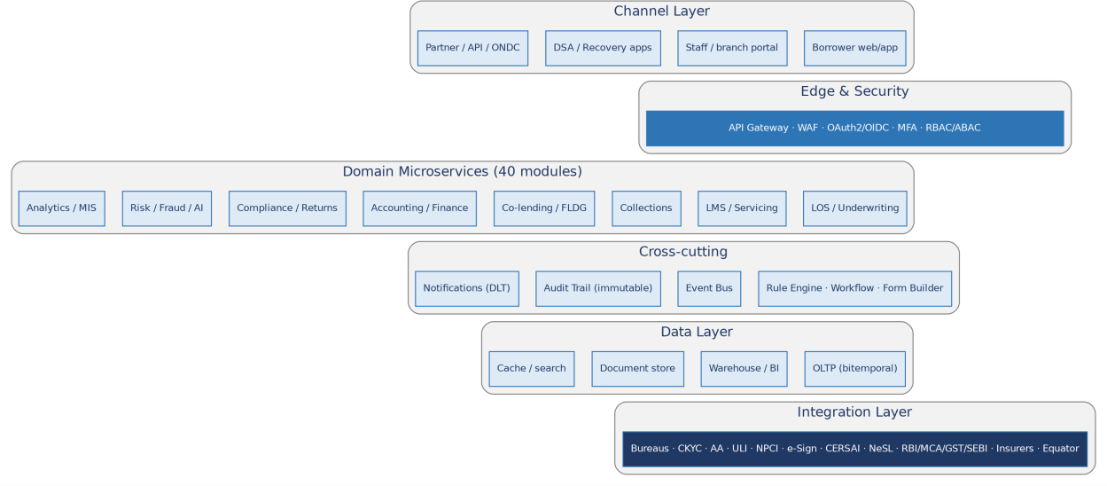 They are illustrative of the design intent; the authoritative behaviour is the module text and the rule/configuration set. Figure 1 — System Context Figure 1: The platform and the users, identity/credit services, payment & communication rails, regulators/registries and ecosystem partners it integrates with. Figure 2 — Layered Application Architecture Figure 2: Channels → edge & security → domain microservices (the 64 functional modules) → cross-cutting services → data layer → integration layer. Figure 3 — Indicative Cloud Deployment

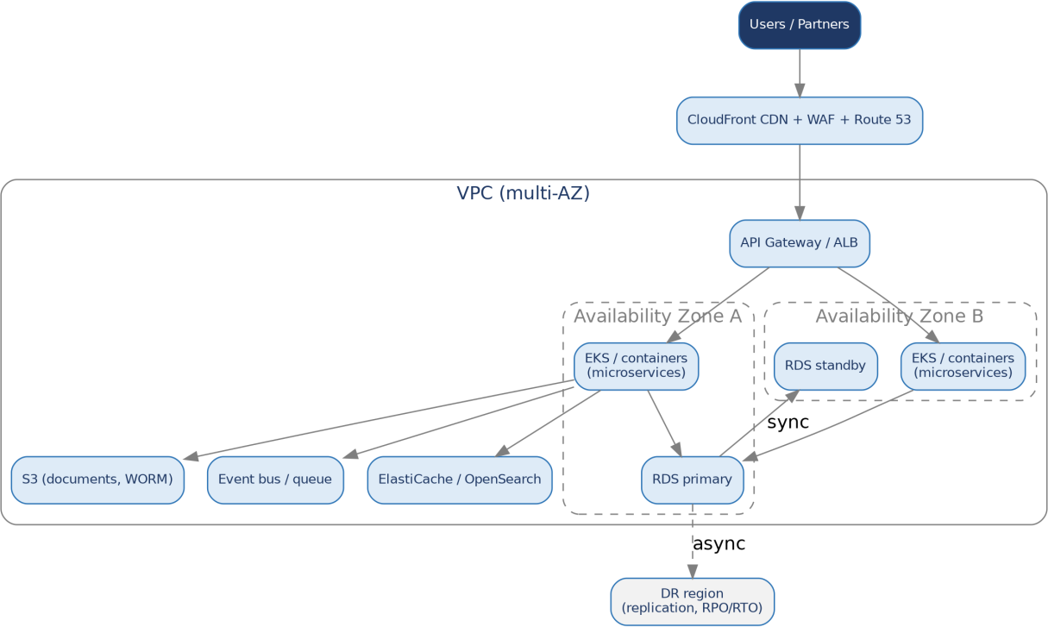 Figure 3: Multi-AZ deployment with CDN/WAF, API gateway, containerised services, primary/standby data stores, object storage and a DR region (illustrative; AWS-style). Figure 4 — Loan Lifecycle (Origination to Closure)
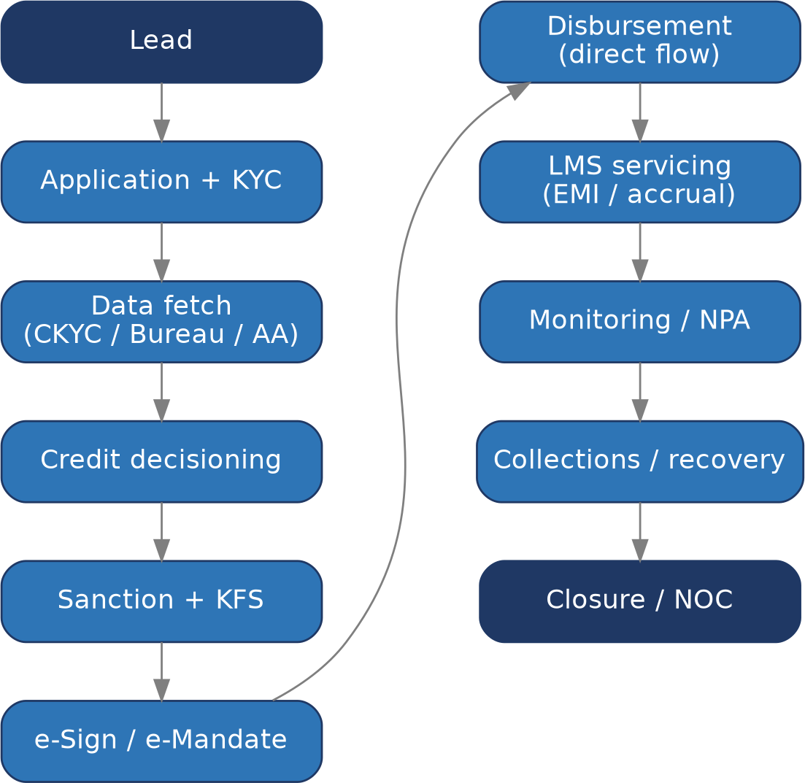 Figure 4: Lead → application & KYC → data fetch → decisioning → sanction/KFS → e-sign/e-mandate → disbursement → servicing → monitoring/NPA → collections → closure/NOC. Figure 5 — Co-Lending Settlement Flow

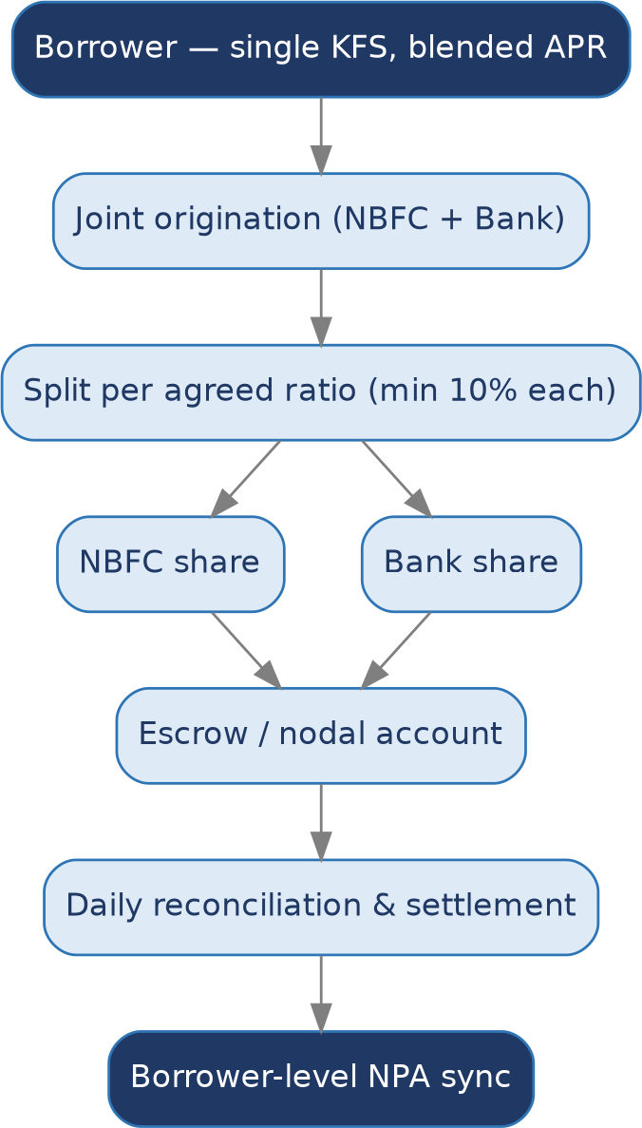 Figure 5: Single borrower (one KFS, blended APR); origination split per the agreed ratio; escrow/nodal routing; daily reconciliation & settlement; borrower-level NPA synchronisation. Figure 6 — Grievance Redressal Ladder

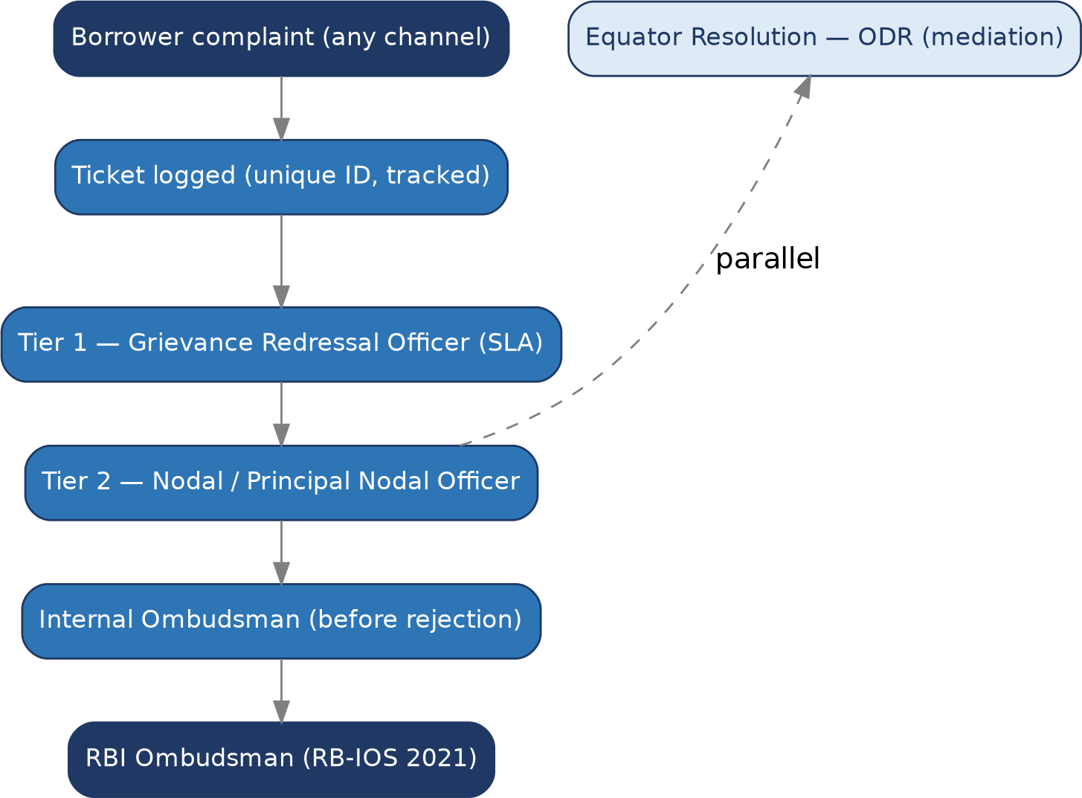 Figure 6: Ticketed complaint → GRO (Tier 1) → Nodal/Principal Nodal Officer (Tier 2) → Internal Ombudsman → RBI Ombudsman (RB-IOS), with Equator Resolution ODR in parallel. Figure 7 — Module Map (64 Modules)

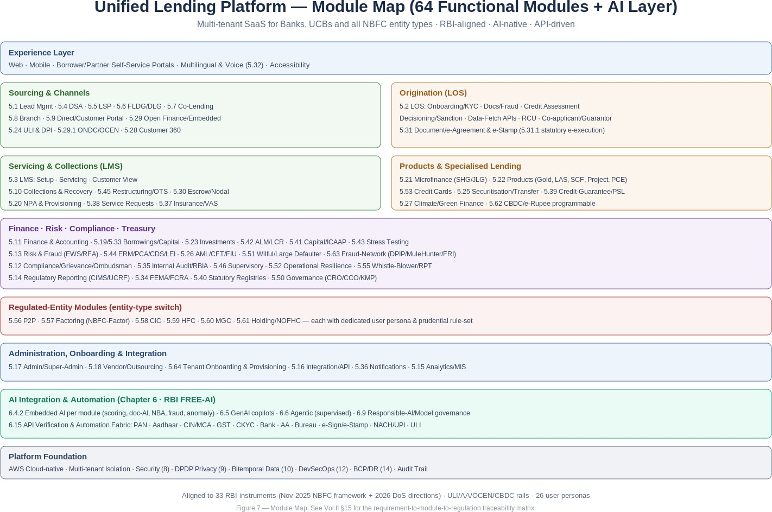 A consolidated view of the platform’s 64 functional modules across the experience, sourcing, origination, servicing, products, finance/risk/compliance, entity-type, administration, AI and foundation layers. 4.20. 4.18 Core Financial Services Solution (CFSS) Alignment The platform is designed to serve as the Core Financial Services Solution (CFSS) that the RBI expects of larger NBFCs — the NBFC analogue of a bank's Core Banking Solution. It provides a seamless, anywhere/anytime digital customer interface for products, services and transactions; integrates the NBFC's functions on one platform rather than in silos; maintains a centralised database and accounting records as a single source of truth; and generates the MIS needed for both internal management and regulatory reporting. For an Upper- or Middle-Layer NBFC with ten or more fixed-point service-delivery units, CFSS is mandatory, and the platform also produces the quarterly CFSS-implementation progress report to the Senior Supervisory Manager (the supervisory and reporting mechanics are in Section 5.46). Smaller and Base-Layer NBFCs can adopt the same platform for its operational benefits. This CFSS foundation is what makes the regulatory-by-design behaviour described throughout this document possible: because data, accounting and the audit trail are centralised, the platform can compute prudential ratios, generate returns, and evidence compliance consistently across the entity. 4.21. Top-Level Navigation Menu Bar

Menu Item |  |  |  |  |  |  |  |  |  | Icon/Category |  |  |  |  |  | Purpose
Dashboard |  |  |  |  |  |  |  |  |  | Home |  |  |  |  |  | Live KPI charts: cash in hand, bank balance, total income, total P&L, projected income
Master Setup |  |  |  |  |  |  |  |  |  | Settings Gear |  |  |  |  |  | Company registration, branch, product schemes, ledgers, settings, access control
Customer |  |  |  |  |  |  |  |  |  | Person |  |  |  |  |  | Customer onboarding, profiles, KYC, groups, guarantors, document upload
Loan |  |  |  |  |  |  |  |  |  | Rupee/Finance |  |  |  |  |  | Loan creation, disbursement, EMI schedule, loan history, top-up, group loans
Deposit |  |  |  |  |  |  |  |  |  | Safe |  |  |  |  |  | Recurring deposits, savings deposits, pigmy deposits, FD schemes
Field Collection |  |  |  |  |  |  |  |  |  | Map Pin / Mobile |  |  |  |  |  | Collection list assignment, agent login, daily/weekly/monthly collection
HR Management |  |  |  |  |  |  |  |  |  | Team |  |  |  |  |  | Employee list, attendance, payroll, access control list, performance
Ledger / Accounting |  |  |  |  |  |  |  |  |  | Ledger Book |  |  |  |  |  | Create ledger, add to favourites, opening balance, journal entry, cash/bank transactions
Business Summary |  |  |  |  |  |  |  |  |  | Chart Bar |  |  |  |  |  | Dashboard, balance sheet, P&L, trial balance, day book, cash/bank statement, MIS
Status Reports |  |  |  |  |  |  |  |  |  | List |  |  |  |  |  | All party list, due list, outstanding, advance list, penalty list, NPA, credit bureau
Collection Reports |  |  |  |  |  |  |  |  |  | Collection |  |  |  |  |  | Daily collection, group-wise, area-wise, staff-wise, recovery reports
Help / Support |  |  |  |  |  |  |  |  |  | Question Mark |  |  |  |  |  | Service request, FAQ, videos, service usage, service catalogue
4.22. Master Setup — Full Submenu & Forms Master Setup is the configuration engine of the software. It must be completed before any operational workflow can begin. It is accessible only via Super User / Admin login.
Submenu Item |  |  |  |  |  |  |  | Form Fields / Options |  |  |  |  |  |  |  |  |  |  |  |  |  |  |  | Business Logic
Company |  |  |  |  |  |  |  | Company Name, Short Name, Address, CIN/Registration No, PAN, GST, RBI License No, Logo, Letterhead |  |  |  |  |  |  |  |  |  |  |  |  |  |  |  | Create single or multi-company. Each company is an independent entity with separate data. Super user can switch current company. Supports multi-branch under one company.
Branch |  |  |  |  |  |  |  | Branch Name, Branch Code, Parent Branch, State, City, PIN, Manager Name, Contact |  |  |  |  |  |  |  |  |  |  |  |  |  |  |  | Define branch hierarchy: Group > Cluster > Block > District > State > Head Office. All reports, expenses, collections filtered by branch.
Product / Loan Scheme |  |  |  |  |  |  |  | Product Name, Type (Daily/Weekly/Monthly/Gold/LAP/Vehicle), Interest Rate, Processing Fee, Tenure, Repayment Frequency, Grace Period, Penalty Rate |  |  |  |  |  |  |  |  |  |  |  |  |  |  |  | Each product scheme defines the interest calculation method. 200+ calculation combinations supported including flat, reducing, daily interest, weekly, monthly.
Customer Group/List |  |  |  |  |  |  |  | Group Name, Area, Collector/Agent Assignment, Active Status |  |  |  |  |  |  |  |  |  |  |  |  |  |  |  | Groups are used to assign customers to collection agents. Group-wise collection, reporting and filtering enabled.
Area Master |  |  |  |  |  |  |  | Area Name, Branch Mapping, Pincode, Locality |  |  |  |  |  |  |  |  |  |  |  |  |  |  |  | Used for area-wise collection and branch data segmentation.
Interest Configuration |  |  |  |  |  |  |  | Interest Type (Flat/Reducing), Calculation Basis (Daily/Monthly), Penalty Configuration, Advance EMI Setting |  |  |  |  |  |  |  |  |  |  |  |  |  |  |  | Business rule engine. Each product can have unique interest logic. Penalty auto-calculated on overdue EMIs.
SMS Service Setting |  |  |  |  |  |  |  | Service Provider, SMS ID, SMS Key, Sender Name, Template Management |  |  |  |  |  |  |  |  |  |  |  |  |  |  |  | Enable/configure SMS service. Templates: OTP, disbursement alert, EMI due reminder, receipt confirmation, login credentials.
Email Service Setting |  |  |  |  |  |  |  | Email Username, Display Name, Port, Host, Email Templates |  |  |  |  |  |  |  |  |  |  |  |  |  |  |  | Configure outbound email. Templates match SMS triggers. Auto-email for disbursement, receipts, due dates.
Print Template |  |  |  |  |  |  |  | Template Name, Template Type (Receipt/Statement/Agreement/NOC), Design, Access Control |  |  |  |  |  |  |  |  |  |  |  |  |  |  |  | Configure what printed documents look like. Restrict which staff can access/print each template.
Settings (Rule Engine) |  |  |  |  |  |  |  | 100+ configurable settings by category: Loan, Collection, SMS, Email, Branch, Accounting |  |  |  |  |  |  |  |  |  |  |  |  |  |  |  | Master rule engine. E.g. 'Filter data on branch hierarchy: Yes/No'. Controls software behaviour without code changes.
Access Control List (ACL) |  |  |  |  |  |  |  | User/Role, Module, Sub-module, Permission (View/Edit/Add/Delete) |  |  |  |  |  |  |  |  |  |  |  |  |  |  |  | Granular permission management per employee per module. Field collection list, report access, disbursement authority all controlled here.
Ledger / Chart of Accounts |  |  |  |  |  |  |  | Ledger Name, Group (Assets/Liabilities/Income/Expenditure), Opening Balance |  |  |  |  |  |  |  |  |  |  |  |  |  |  |  | Define all accounting ledgers. Add to Favourites for quick access. Pre-built favourites for electricity expense, late fee income, etc.
4.23. Customer Module — Submenu & Forms
Submenu |  |  |  |  |  |  |  |  | Form Fields |  |  |  |  |  |  |  |  |  |  | Logic
New Customer |  |  |  |  |  |  |  |  | Full Name, DOB, Gender, Father/Spouse Name, Mobile, Email, Address, PIN, Aadhaar No, PAN No, Voter ID, Employment Type, Income, Occupation, Bank Account, IFSC, Branch |  |  |  |  |  |  |  |  |  |  | Single persistent customer profile. Duplicate check via PAN/Aadhaar/mobile at entry. Profile used across all loans.
Guarantor |  |  |  |  |  |  |  |  | Guarantor Name, Relationship, Aadhaar, PAN, Mobile, Address, Income, Bank Details |  |  |  |  |  |  |  |  |  |  | One or more guarantors can be linked per loan. Separate KYC form. Guarantor liability shown in loan account.
Upload Documents |  |  |  |  |  |  |  |  | Document Type dropdown, Document Number, File Browse or Add Without File, Upload All Files button |  |  |  |  |  |  |  |  |  |  | Supports: Aadhaar, PAN, Voter ID, Driving Licence, Passport, Utility Bill, Bank Statement, Salary Slip, ITR. eKYC verify button triggers UIDAI/API verification.
eKYC Verification |  |  |  |  |  |  |  |  | Verify button per document, Verification Status, OCR extracted data display |  |  |  |  |  |  |  |  |  |  | API call to UIDAI for Aadhaar, NSDL for PAN. Facial recognition + liveness detection for video KYC. Result: Verified / Failed.
CKYC |  |  |  |  |  |  |  |  | CKYC Number (14-digit, allocated by CERSAI), KYC Form Upload |  |  |  |  |  |  |  |  |  |  | Central KYC Registry. Once CKYC number issued, customer can reuse across all lenders. Reduces repeat KYC burden.
Customer Summary |  |  |  |  |  |  |  |  | Group Assignment, Loan Count, Active/Closed, Total Outstanding, Documents Status |  |  |  |  |  |  |  |  |  |  | 360-degree customer view. Shows all loans, payment history, group membership, open service requests.
Credit Score Report |  |  |  |  |  |  |  |  | Credit Score Request button, Score Display, Rating, Credit History, Suggestion |  |  |  |  |  |  |  |  |  |  | Integrated with CRIF Highmark (RBI-approved bureau). One-click credit report generation before loan approval.
Customer Group Mapping |  |  |  |  |  |  |  |  | Group Name dropdown, Customer List, Sequence Number |  |  |  |  |  |  |  |  |  |  | Map customers to collection groups. Define collection sequence for agent efficiency. Group-wise reports enabled.
Customer Login Setup |  |  |  |  |  |  |  |  | Username, Temporary Password, SMS Dispatch |  |  |  |  |  |  |  |  |  |  | Create borrower's self-service portal login. Customer receives SMS with credentials. Can view loan, pay online, download statement.
4.24. 6.1 Step-by-Step Company Setup Process
Step |  |  | Action |  |  |  |  |  |  |  |  | Menu Path |  |  |  |  |  |  |  | Key Fields
1 |  |  | Login as Super User |  |  |  |  |  |  |  |  | Direct URL / App Login |  |  |  |  |  |  |  | Super User Username & Password (provided at onboarding)
2 |  |  | Create Company |  |  |  |  |  |  |  |  | Master Setup > Company > New |  |  |  |  |  |  |  | Company Name, Short Name, Address, CIN, PAN, GST, RBI License, Logo
3 |  |  | Configure Company Settings |  |  |  |  |  |  |  |  | Master Setup > Settings |  |  |  |  |  |  |  | 100+ rule engine settings: interest rounding, branch filter, penalty auto-apply, SMS enable, NACH enable
4 |  |  | Define Branch Hierarchy |  |  |  |  |  |  |  |  | Master Setup > Branch |  |  |  |  |  |  |  | Branch Name, Code, Parent Branch, State, City, Manager. Tree structure: HO > State > District > Cluster > Branch
5 |  |  | Set Up Chart of Accounts |  |  |  |  |  |  |  |  | Ledger > Create + Add to Favourites |  |  |  |  |  |  |  | Create all required ledgers. Add opening balances. Business capital entry.
6 |  |  | Create Loan Products/Schemes |  |  |  |  |  |  |  |  | Master Setup > Product |  |  |  |  |  |  |  |  | Product Name, Type, Interest Rate, Tenure, Frequency, Processing Fee, Penalty, Insurance
...
 |  | Regulatory note. No production AI affecting borrowers should go live before the board-approved AI policy, the AI registry, explainability, fairness testing and the human-in-the-loop and disclosure controls are operational. AI capability and AI governance are commissioned together.
Co-lending split & settlement
FLDG monitoring & invocation
Grievance intake & triage
Grievance escalation (ODR)
Compliance obligations
Training & certification
Regulatory returns
22.15. 6.14 How Claude Is Integrated (Mechanics) 22.16. 6.15 API-Driven Automation & Verification Fabric A provider-abstracted Verification & Automation Fabric drives straight-through processing across the lifecycle. Each verification is invoked automatically at the right journey step (onboarding, underwriting, sanction, disbursement, servicing, monitoring), with a vendor-agnostic adapter layer (e.g., Protean/NSDL, UIDAI, MCA21/GSTN, NPCI, DigiLocker, Account Aggregator, credit bureaus,
and aggregators such as Signzy/Karza/Perfios/Surepass/Setu) so a tenant can swap providers without code change. Results are cached per DPDP retention rules, fed to the AI models (e.g., document AI, fraud, scoring), and written to the audit trail. Identity & entity verification — automated: PAN verification and PAN–Aadhaar linkage (Protean/NSDL/Income-Tax); Aadhaar verification via OTP e-KYC, offline Aadhaar XML/QR and DigiLocker, with Aadhaar masking; CIN / company master data and director/DIN verification via MCA21; GSTIN verification and return-status via GSTN; Udyam/MSME registration; Voter ID (EPIC); Driving Licence and Vehicle RC via DigiLocker/Parivahan; passport (where applicable); and CKYC download/upload to CERSAI. Financial verification — automated: bank-account validation by penny-drop and penny-less (NPCI account-validation); name-match and IFSC validation; Account-Aggregator-based statement, ITR and GST data pull (consent-driven); credit-bureau pull (CIBIL/Experian/Equifax/CRIF) for consumer, commercial and MFI; and income/employment verification (EPFO, payslip AI). Execution & money-movement automation: e-Sign (Aadhaar eSign) and e-Stamp orchestration; eNACH / NACH mandate registration and presentation; UPI Autopay; disbursement via IMPS/NEFT/RTGS/UPI and the CBDC e₹ rail (Module 5.62); and reconciliation webhooks. Fraud, compliance & DPI automation: Central Fraud Registry, RBI/NPCI DPIP negative-registry, MuleHunter.AI and DoT FRI screening (Module 5.63); sanctions/PEP and UNSCR list screening; ULI data-orchestration (Module 5.24); and regulatory-return filing to RBI CIMS / UCRF. Orchestration & resilience: each API is wrapped with retry, circuit-breaker, idempotency, rate-limit and fallback-provider logic; an event bus emits lifecycle events (verified, disbursed, repaid, npa, fraud-flagged) for downstream automation; and an AI agent (supervised per §6.6) can chain these APIs to complete an end-to-end journey (e.g., onboard → verify → score → san

23. Non-Functional Architecture (Cross-Cutting) Figure 7-1. ULP logical component architecture — channels, LOS, LMS, cross-cutting platform, data/integration and foundation. At the highest level (Figure 7-1) the platform is layered: channels (borrower / branch / partner / ops); an origination stack (LOS) from application through decisioning to disbursal; a servicing stack (LMS) covering repayments, accounting, NPA/ECL, collections and co-lending; a cross-cutting platform layer (workflow/BRE, governed AI, notifications/consent, CCM, billing); a data & integration layer (bitemporal model, verification/API fabric, regulator connectors); over a multi-tenant, secured foundation. Each layer is independently deployable and scalable. The following cross-cutting qualities apply to every module and are designed once, centrally, then consumed platform-wide. |  | 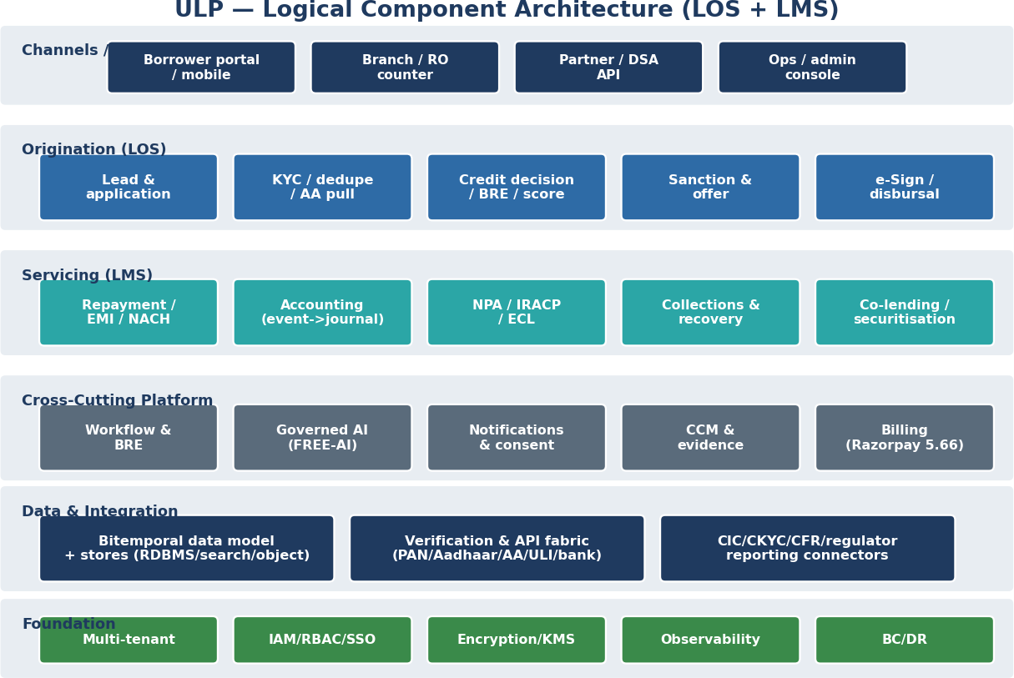

Quality
Security
Data privacy (DPDP)
Encryption
Audit trail
Availability
Quality
Scalability
Resilience
...
• Period locks & re-open. Accounting periods can be locked; an edit into a locked period requires an authorised, audited re-open (Section 16.7) and the resulting adjustment is disclosed; regulatory-reported periods are protected. • Idempotency & audit linkage. Every event is idempotent and carries the actor, reason, authority and source reference, linked to the immutable audit trail (Section 8) and the accounting-software audit-trail obligation (Section 16.9). 7.5.10.5 Batch, End-of-Day & Scheduling Alongside real-time processing, the platform runs deterministic batch and end-of-day (EOD)/beginning-of-day (BOD) cycles — interest accrual, DPD/classification, provisioning, charge application, statement and report generation, and bulk operations (bulk rescheduling, closure, uploads). Implementation: an idempotent, restartable scheduler with dependency ordering, run-status visibility and reconciliation, so a re-run after a back-dated correction produces consistent results. 8. Quality Assurance & Testing Strategy Given the financial and regulatory consequences of defects, quality is assured through a layered testing strategy embedded in the delivery pipeline, with particular rigour around calculations (interest, schedules, charges, settlement) and regulatory controls (KFS, DLG cap, co-lending retention, classification).
Integration testing
Functional / system testing
Regression testing
User acceptance testing (UAT)
Performance & load testing
Security testing
Calculation assurance
Regulatory control testing
AI model validation
Test data is synthetic or masked in non-production environments; no live personal data is used for testing. Automated tests gate the CI/CD pipeline so that releases cannot proceed without passing the regression and control suites.
9. DevOps, Release & Operations Figure 12-1. Deployment topology — stateless app tier, async workers, integration workers over data/ledger/security tiers (SaaS / private-cloud / on-prem). The runtime (Figure 12-1) separates a stateless, autoscaled app/service tier from async worker pools (BRE, AI, batch/EOD) and integration workers, over a data tier (bitemporal RDBMS, search, object store), an immutable accounting ledger, and a security/observability/billing tier. The same topology supports SaaS (multi-tenant), private-cloud (single-tenant) and on-prem deployments (Module 5.66). The platform is delivered and operated through modern DevOps practice to balance speed with safety and to keep the multi-tenant production estate reliable. 9.1.12.1 CI/CD & Infrastructure as Code Continuous integration runs automated build, test and security scans on every change; continuous delivery promotes validated builds through the environment progression with automated, repeatable deployments. Infrastructure is defined as code so environments are reproducible and auditable, and configuration and secrets are externalised per environment. 9.2.12.2 Release Management • Versioned releases with change records and maker-checker approval for production changes. • Progressive rollout (blue-green or canary) with health checks and automated rollback on failure. • Backward-compatible API evolution with deprecation windows to protect partner integrations. • Tenant-aware release controls so changes can be staged per tenant where required. 9.3.12.3 Observability, SRE & Resilience Engineering The platform is instrumented for operability: centralised logs, metrics and distributed tracing with correlation IDs link a borrower journey across services; dashboards and alerting surface SLA breaches and anomalies; and an incident-management process with defined severities, on-call and post-incident review keeps mean-time-to-recovery low. Capacity is monitored and scaled to |  |  |  | 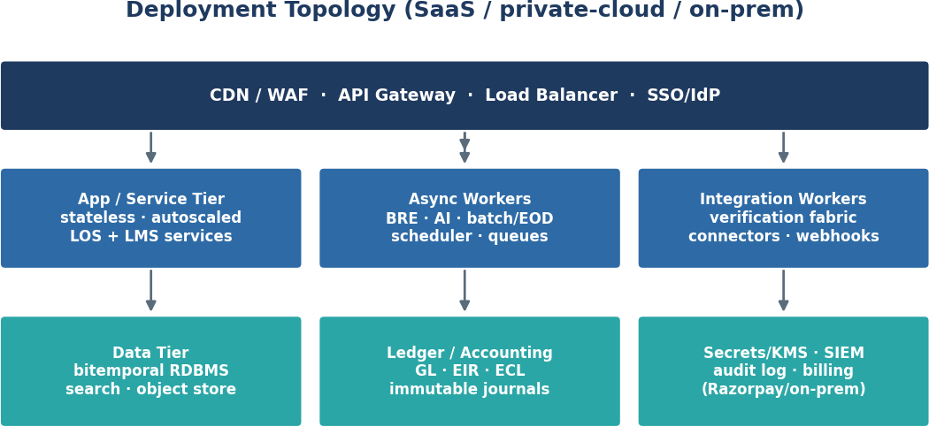

Site-reliability-engineering (SRE) practice underpins this: service-level objectives (SLOs) and error budgets are defined for the critical journeys (origination, disbursement, repayment, reporting), golden signals (latency, traffic, errors, saturation) are tracked against them, and toil is reduced through automation. Resilience is verified, not assumed — periodic chaos and failure-injection tests (dependency, zone and instance failures), load and soak tests against the peak profiles, and disaster-recovery drills against the RTO/RPO targets of Section 14 confirm the system degrades gracefully and recovers within target. 10. Data Migration & Tenant Onboarding Most deployments involve migrating an existing loan book from a legacy system and onboarding the tenant's products, rules and users. A disciplined migration protects financial integrity and continuity. 10.1. 13.1 Migration Approach 1. Discovery & mapping — profile the legacy data and map it to the platform's model, identifying gaps and quality issues. 2. Cleansing & enrichment — correct, de-duplicate and complete data; obtain missing mandatory fields. 3. Mock migrations — repeated dry runs into a staging environment with full reconciliation of counts and balances. 4. Reconciliation & sign-off — match migrated principal, outstanding, schedules and accounting balances to the source, to the rupee; business sign-off before cutover. 5. Cutover & verification — controlled go-live with a rollback option and post-cutover verification; parallel run where risk warrants. 10.2. 13.2 Tenant Onboarding (configuration) Onboarding a new lender is a configuration exercise using the Administration builders: define the legal entity and branding, model products in the Product Builder, author forms and rules (including the tenant's regulatory parameters), set up the approval matrices and RBAC, connect the required integrations, and load opening balances via

Onboarding step
Entity & branding setup
Product modelling
Forms & rules
Workflows & access
Integrations
Data migration
...
 | Objective
 | Core servicing availability
 | Recovery Point Objective (RPO)
 | Recovery Time Objective (RTO)
 | Backup restore test

 |  | Regulatory note. Targets are indicative and confirmed per tenant in a service-level agreement; the deploying entity aligns RPO/RTO and availability to its own and its regulator's continuity expectations.
12. Regulatory Compliance & Reference Framework

Figure 15-1. Integration & API map — identity/KYC, financial/data, bureau/fraud and execution/payment connectors behind the API gateway, each with resilience wrappers. This section serves two purposes. Section 15.1 maps platform capabilities to the principal regulatory obligations (the regulatory-by-design view). Section 15.2 is a Regulatory Reference Register — a citation list of the RBI Master Directions, circulars and other instruments that govern this platform, written so that a software developer can see exactly which mandatory requirement drives each control and where to read the source. Citations are given as understood at the date of issue; the deploying entity's compliance function must verify the prevailing text and applicability of each instrument. The architecture is aligned to the RBI's 28 November 2025 consolidation of the NBFC regulatory framework, including specifically the RBI (NBFC – Credit Facilities) Directions, 2025, the RBI (NBFC – Asset Liability Management) Directions, 2025, the RBI (NBFC – Securitisation Transactions) Directions, 2025 and the RBI (NBFC – Transfer and Distribution of Credit Risk) Directions, 2025, together with the related Credit Risk Management, Credit Information Reporting and Non-Fund Based Credit Facilities Directions. Credit conduct and prudential norms run through the origination, product, pricing and fund-flow design (Sections 5.2, 5.5, 5.22); asset-liability and liquidity management is a first-class module (5.42) feeding capital and stress (5.41, 5.43); and securitisation, loan transfer and distribution of credit risk are handled in Section 5.25. The corresponding directions for Banks, UCBs and AIFIs apply where the deploying entity is of that type. 12.1. 15.1 Regulatory Mapping Matrix The matrix maps platform capabilities to the principal regulatory obligations, demonstrating regulatory-by-design coverage. |  |  | 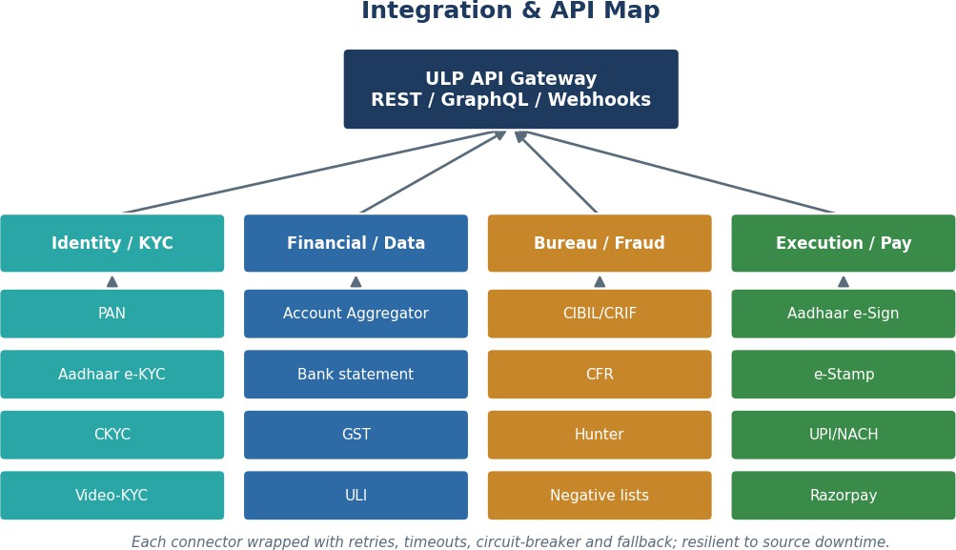

Obligation / Theme
Key Facts Statement & all-inclusive APR before execution
Direct fund flow (no LSP pass-through pooling)
Obligation / Theme
Cooling-off / look-up period
Consent — recorded, purpose-bound, withdrawable
DLA reporting to RBI (CIMS)
DLG capped at 5% of portfolio; eligible providers/forms
Co-lending: minimum retention, borrower-level NPA, disclosure, BCP
...

